Power Sequence
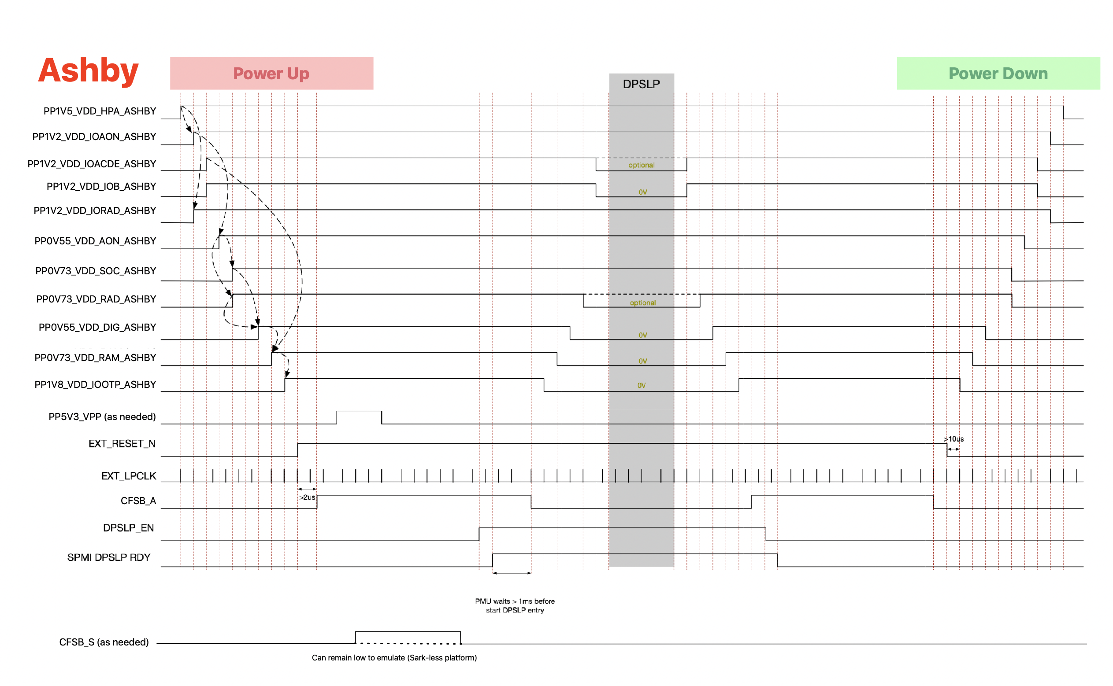
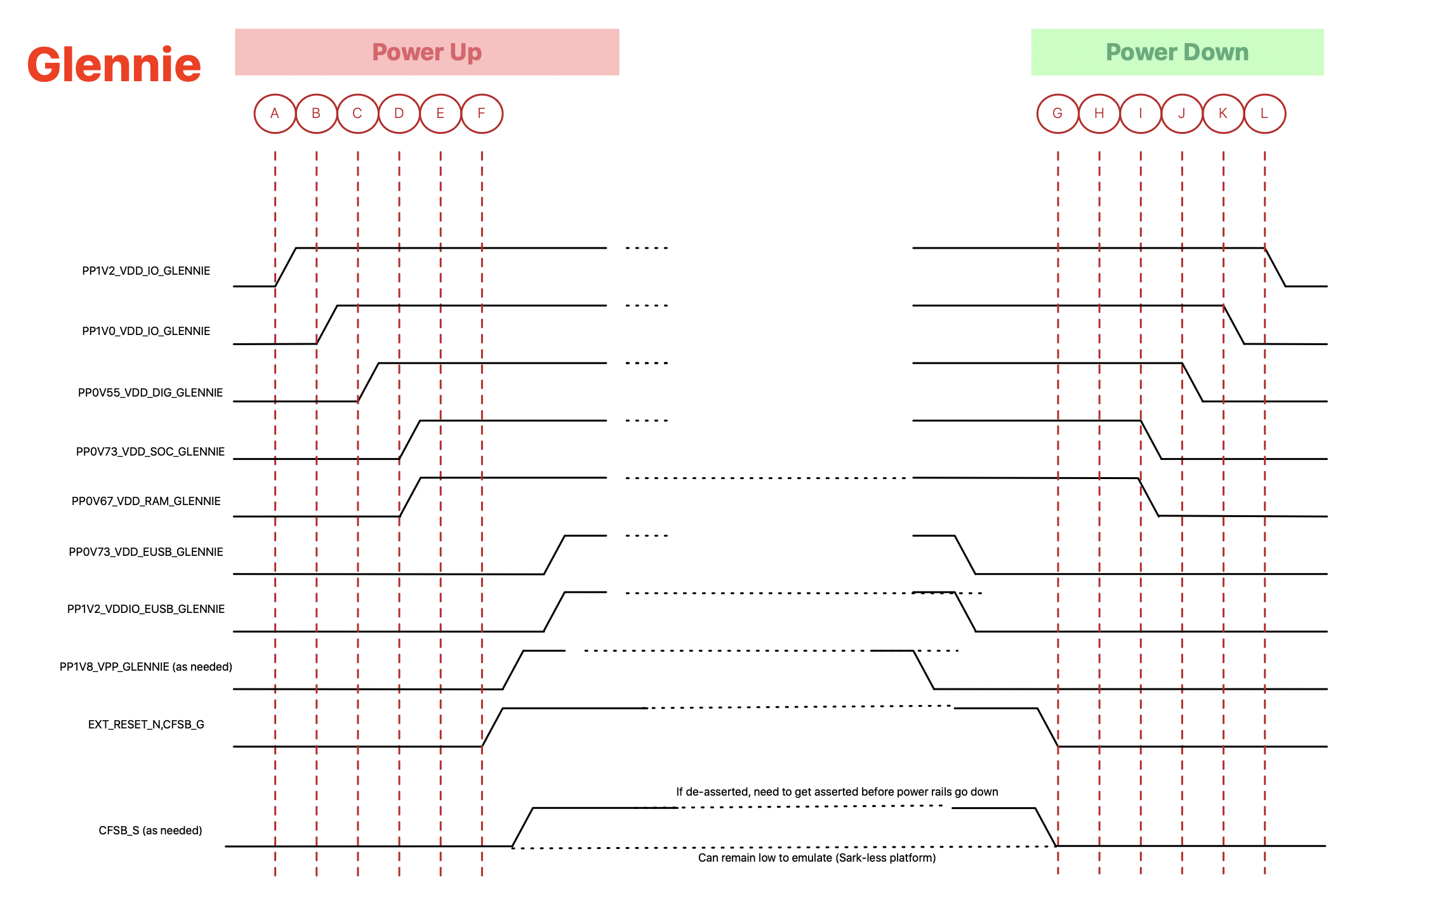

Test Flow
1) Setup and Calibration
Test. Num. | Parameter | Options | Conditions | Harald Specification |  |  |  | Comments
 |  |  |  | LSL | Typ. | USL | Units
1 | Continutiy check |  | Refer to "IO Continuity" Sheet | COMPLETE |  |  |  |  |  | cont/OS
2 | Power Supply - Power OFF |  | Refer to "Power Sequence" Sheet |  |  |  |  | Power Supply off for error prevention |  | power short
4 | Measure Power Short on all rails |  | Refer to "Current Consumption" Sheet |  |  |  |  |  |  | fwbt IDD
5 | Power Supply - Power ON |  | Refer to "Power Sequence" Sheet |  |  |  |  | current measurement not needed, Limits after cal |  | OTP prechk
6 | FWBT IDD Measurements |  | Refer to "Current Consumption" Sheet |  |  |  |  |  |  | cal
7 | OTP PRECHECK |  |  |  |  |  |  |  |  | otp
8 | Measure Sleep Current |  | Durant in Sleep patterns |  |  |  |  |  |  | toggle reset/CFSB or pwoer cycle and otp check
9 | Power Supply - Power OFF |  | Refer to "Power Sequence" Sheet |  |  |  |  | Power Supply off for error prevention |  | check for otp_valid
10 | Power Supply - Power ON |  | Refer to "Power Sequence" Sheet |  |  |  |  |  |  | fuse Glennie
11 | FW BOOT |  |  |  |  |  |  |  |  | boot glennie
12 | Calibration Sequence |  | CAL_RESULT | 1 |  | 1 |  | Follow Cal Pattern provided by SoC team |  | check ICF GPIOs and ICF loopback
 |  |  | NVV_BLOB_COUNT |  |  |  |  | 1 = calibration completed sucessfully | flash test | packet test
 |  |  | OTP_WRITE_RESULT | 0 |  | 0 |  | No OTP write during this step
 |  |  | MODULE_TYPE
Work in Progress
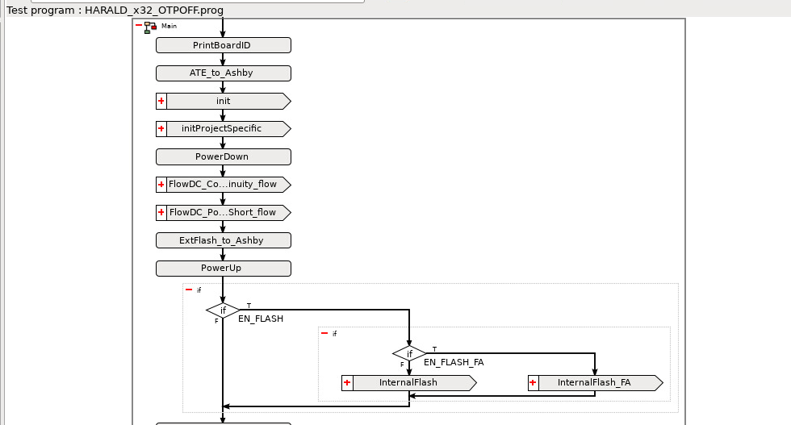
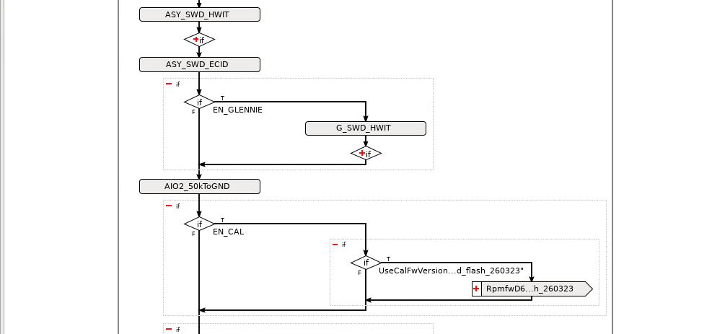
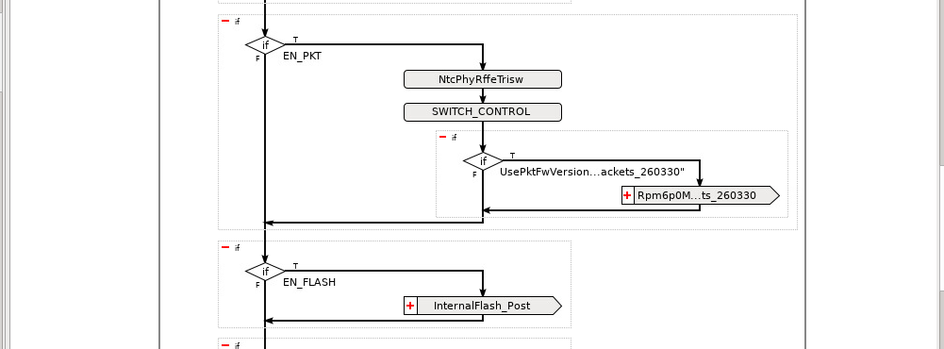
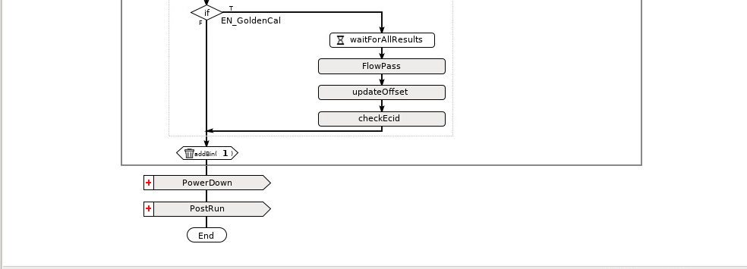
2) RF MP coverage - Test and OTP write
Test. Num. | Parameter |  | Conditions | Harald Specification |  |  |  | Comments
 |  |  |  | LSL | Typ. | USL | Units
13 | RF Pkt Test Check and Active RF Current Consumption Flash Check tests |  | Refer to "BT - MP Test Coverage" Sheet Refer to "Active RF Current Consumption" Sheet Refer to "Online Flash Testing" Sheet | COMPLETE |  |  |  | Coverage completed Successfully, can be run concurrently with test number 7
14 | OTP Write |  | CAL_RESULT | 1 |  | 1 |  | 1 = calibration completed sucessfully
 |  |  | NVV_BLOB_COUNT
 |  |  | OTP_WRITE_RESULT | 0 |  | 0 |  | 0 = no errors 1 = No voltage applied 2 = OTP full 3 = OTP readback fail 99= No write requested
 |  |  | IB_ID CHECK |  |  |  |  | B0 FW githash
 |  |  | MODULE_ID CHECK | HRLD |  | HRLD
 |  |  | MODULE_REV_CHECK |  |  |  |  | Provided before OK2TEST
15 | Power Reset & Reboot |  | Refer to "Power Sequence" Sheet
16 | OTP Check |  | Load FW, Scan OTP
 |  |  | NVV_Check
 |  |  | IB_ID CHECK |  |  |  |  | B0 FW githash
 |  |  | MODULE_ID CHECK | HRLD |  | HRLD
 |  |  | MODULE_REV_CHECK |  |  |  |  | Provided before OK2TEST

4) End Test
Test. Num. | Parameter

17 | Power Supply - Power OFF |  | READ_CURRENT | 0 |  | 0

OS_TestCoverage
Note: Test one pin at a time and ground all the pins not being tested. This is important. It helps cover pin to pin shorts and enables forward diode testing.
Pin | Test case | Condition | Min | Max | Unit | Notes
 | Power Check
A7 | PP1V2_VDD_IOAON_ASHBY | source 0.1V, measure current | -100.000000 | 350.000000 | uA
B8 | PP1V2_VDD_IOACDE_ASHBY | source 0.1V, measure current | -100.000000 | 350.000000 | uA
B21 | PP1V2_VDDIO_FLASH | source 0.1V, measure current | -100.000000 | 350.000000 | uA
C22 | PP1V8_VDD_FLASH | source 0.1V, measure current | -100.000000 | 350.000000 | uA
D11 | PP0V55_VDD_AON_ASHBY | source 0.1V, measure current | -100.000000 | 350.000000 | uA
D13 | PP1V2_VDD_IOB_ASHBY | source 0.1V, measure current | -100.000000 | 350.000000 | uA
F5 | PP1V5_VDD_HPA_ASHBY | source 0.1V, measure current | -100.000000 | 350.000000 | uA
F8 | PP1V2_VDD_IORAD_ASHBY | source 0.1V, measure current | -100.000000 | 350.000000 | uA
F10 | PP0V55_VDD_DIG_ASHBY | source 0.1V, measure current | -100.000000 | 350.000000 | uA
F12 | PP0V73_VDD_SOC_ASHBY | source 0.1V, measure current | -100.000000 | 350.000000 | uA
G19 | PP1V0_VDD_IO_GLENNIE | source 0.1V, measure current | -100.000000 | 350.000000 | uA
H10 | PP0V73_VDD_RAM_ASHBY | source 0.1V, measure current | -100.000000 | 350.000000 | uA
H15 | PP0V67_VDD_RAM_GLENNIE | source 0.1V, measure current | -100.000000 | 350.000000 | uA
H17 | PP0V55_VDD_DIG_GLENNIE | source 0.1V, measure current | -100.000000 | 600.000000 | uA
H18 | PP1V8_GVPP_GLENNIE | source 0.1V, measure current | -100.000000 | 350.000000 | uA
H19 | PP0V73_VDD_EUSB_GLENNIE | source 0.1V, measure current | -100.000000 | 350.000000 | uA
J1 | PP1V8_VDD_FEM | source 0.1V, measure current | -100.000000 | 350.000000 | uA
J19 | PP1V2_VDDIO_EUSB_GLENNIE | source 0.1V, measure current | -100.000000 | 350.000000 | uA
K11 | PP5V3_VPP_ASHBY | source 0.1V, measure current | -100.000000 | 350.000000 | uA
K12 | PP1V8_VDD_IOOTP_ASHBY | source 0.1V, measure current | -100.000000 | 350.000000 | uA
L19 | PP1V2_VDD_IO_GLENNIE | source 0.1V, measure current | -100.000000 | 350.000000 | uA
M5 | PP0V73_VDD_RAD_ASHBY | source 0.1V, measure current | -100.000000 | 350.000000 | uA
M20 | PP0V73_VDD_SOC_GLENNIE | source 0.1V, measure current | -100.000000 | 350.000000 | uA
 | GND Check
A1 | GND | source -110uA, measure voltage | -10.000000 | 10.000000 | mV
A2 | GND | source -110uA, measure voltage | -10.000000 | 10.000000 | mV
A3 | GND | source -110uA, measure voltage | -10.000000 | 10.000000 | mV
A4 | GND | source -110uA, measure voltage | -10.000000 | 10.000000 | mV
A5 | GND | source -110uA, measure voltage | -10.000000 | 10.000000 | mV
A6 | GND | source -110uA, measure voltage | -10.000000 | 10.000000 | mV
A13 | GND | source -110uA, measure voltage | -10.000000 | 10.000000 | mV
A21 | GND | source -110uA, measure voltage | -10.000000 | 10.000000 | mV
A22 | GND | source -110uA, measure voltage | -10.000000 | 10.000000 | mV
B1 | GND | source -110uA, measure voltage | -10.000000 | 10.000000 | mV
B2 | GND | source -110uA, measure voltage | -10.000000 | 10.000000 | mV
B4 | GND | source -110uA, measure voltage | -10.000000 | 10.000000 | mV
B6 | GND | source -110uA, measure voltage | -10.000000 | 10.000000 | mV
B7 | GND | source -110uA, measure voltage | -10.000000 | 10.000000 | mV
B10 | GND | source -110uA, measure voltage | -10.000000 | 10.000000 | mV
B16 | GND | source -110uA, measure voltage | -10.000000 | 10.000000 | mV
B19 | GND | source -110uA, measure voltage | -10.000000 | 10.000000 | mV
B22 | GND | source -110uA, measure voltage | -10.000000 | 10.000000 | mV
C2 | GND | source -110uA, measure voltage | -10.000000 | 10.000000 | mV
C7 | GND | source -110uA, measure voltage | -10.000000 | 10.000000 | mV
C11 | GND | source -110uA, measure voltage | -10.000000 | 10.000000 | mV
C21 | GND | source -110uA, measure voltage | -10.000000 | 10.000000 | mV
D1 | GND | source -110uA, measure voltage | -10.000000 | 10.000000 | mV
D2 | GND | source -110uA, measure voltage | -10.000000 | 10.000000 | mV
D3 | GND | source -110uA, measure voltage | -10.000000 | 10.000000 | mV
D4 | GND | source -110uA, measure voltage | -10.000000 | 10.000000 | mV
D6 | GND | source -110uA, measure voltage | -10.000000 | 10.000000 | mV
D7 | GND | source -110uA, measure voltage | -10.000000 | 10.000000 | mV
D12 | GND | source -110uA, measure voltage | -10.000000 | 10.000000 | mV
D17 | GND | source -110uA, measure voltage | -10.000000 | 10.000000 | mV
E2 | GND | source -110uA, measure voltage | -10.000000 | 10.000000 | mV
E3 | GND | source -110uA, measure voltage | -10.000000 | 10.000000 | mV
E4 | GND | source -110uA, measure voltage | -10.000000 | 10.000000 | mV
E8 | GND | source -110uA, measure voltage | -10.000000 | 10.000000 | mV
E10 | GND | source -110uA, measure voltage | -10.000000 | 10.000000 | mV
F1 | GND | source -110uA, measure voltage | -10.000000 | 10.000000 | mV
F2 | GND | source -110uA, measure voltage | -10.000000 | 10.000000 | mV
F4 | GND | source -110uA, measure voltage | -10.000000 | 10.000000 | mV
F6 | GND | source -110uA, measure voltage | -10.000000 | 10.000000 | mV
F9 | GND | source -110uA, measure voltage | -10.000000 | 10.000000 | mV
F13 | GND | source -110uA, measure voltage | -10.000000 | 10.000000 | mV
G1 | GND | source -110uA, measure voltage | -10.000000 | 10.000000 | mV
G3 | GND | source -110uA, measure voltage | -10.000000 | 10.000000 | mV
G4 | GND | source -110uA, measure voltage | -10.000000 | 10.000000 | mV
G5 | GND | source -110uA, measure voltage | -10.000000 | 10.000000 | mV
G6 | GND | source -110uA, measure voltage | -10.000000 | 10.000000 | mV
G7 | GND | source -110uA, measure voltage | -10.000000 | 10.000000 | mV
G10 | GND | source -110uA, measure voltage | -10.000000 | 10.000000 | mV
G15 | GND | source -110uA, measure voltage | -10.000000 | 10.000000 | mV
G18 | GND | source -110uA, measure voltage | -10.000000 | 10.000000 | mV
H1 | GND | source -110uA, measure voltage | -10.000000 | 10.000000 | mV
H2 | GND | source -110uA, measure voltage | -10.000000 | 10.000000 | mV
H3 | GND | source -110uA, measure voltage | -10.000000 | 10.000000 | mV
H7 | GND | source -110uA, measure voltage | -10.000000 | 10.000000 | mV
H16 | GND | source -110uA, measure voltage | -10.000000 | 10.000000 | mV
J2 | GND | source -110uA, measure voltage | -10.000000 | 10.000000 | mV
J3 | GND | source -110uA, measure voltage | -10.000000 | 10.000000 | mV
J7 | GND | source -110uA, measure voltage | -10.000000 | 10.000000 | mV
J18 | GND | source -110uA, measure voltage | -10.000000 | 10.000000 | mV
K1 | GND | source -110uA, measure voltage | -10.000000 | 10.000000 | mV
K4 | GND | source -110uA, measure voltage | -10.000000 | 10.000000 | mV
K5 | GND | source -110uA, measure voltage | -10.000000 | 10.000000 | mV
K6 | GND | source -110uA, measure voltage | -10.000000 | 10.000000 | mV
K10 | GND | source -110uA, measure voltage | -10.000000 | 10.000000 | mV
K13 | GND | source -110uA, measure voltage | -10.000000 | 10.000000 | mV
L5 | GND | source -110uA, measure voltage | -10.000000 | 10.000000 | mV
L16 | GND | source -110uA, measure voltage | -10.000000 | 10.000000 | mV
M1 | GND | source -110uA, measure voltage | -10.000000 | 10.000000 | mV
M6 | GND | source -110uA, measure voltage | -10.000000 | 10.000000 | mV
M13 | GND | source -110uA, measure voltage | -10.000000 | 10.000000 | mV
M19 | GND | source -110uA, measure voltage | -10.000000 | 10.000000 | mV
M21 | GND | source -110uA, measure voltage | -10.000000 | 10.000000 | mV
M22 | GND | source -110uA, measure voltage | -10.000000 | 10.000000 | mV
 | IO_FORWARD_CHECK
D21 | GLENNIE_QSPI_DQ3 | source 110uA, measure voltage | 200.000000 | 800.000000 | mV
D22 | FLASH_QSPI_DQ3 | source 110uA, measure voltage | 200.000000 | 800.000000 | mV
E21 | GLENNIE_QSPI_DQ0 | source 110uA, measure voltage | 200.000000 | 800.000000 | mV
E22 | FLASH_QSPI_DQ0 | source 110uA, measure voltage | 200.000000 | 800.000000 | mV
F21 | GLENNIE_QSPI_CLK | source 110uA, measure voltage | 200.000000 | 800.000000 | mV
F22 | FLASH_QSPI_CLK | source 110uA, measure voltage | 200.000000 | 800.000000 | mV
G21 | GLENNIE_QSPI_CS_L | source 110uA, measure voltage | 200.000000 | 800.000000 | mV
H21 | GLENNIE_QSPI_DQ1 | source 110uA, measure voltage | 200.000000 | 800.000000 | mV
H22 | FLASH_QSPI_DQ1 | source 110uA, measure voltage | 200.000000 | 800.000000 | mV
J21 | GLENNIE_QSPI_DQ2 | source 110uA, measure voltage | 200.000000 | 800.000000 | mV
J22 | FLASH_QSPI_DQ2 | source 110uA, measure voltage | 200.000000 | 800.000000 | mV
K22 | FLASH_BUSY_L | source 110uA, measure voltage | 200.000000 | 800.000000 | mV
E7 | CFSB_SARK | source 110uA, measure voltage | 200.000000 | 800.000000 | mV
A12 | DFU_STATUS_GLENNIE | source 110uA, measure voltage | 200.000000 | 800.000000 | mV
A14 | UART2_TXD_GLENNIE | source 110uA, measure voltage | 200.000000 | 800.000000 | mV
A15 | UART2_RXD_GLENNIE | source 110uA, measure voltage | 200.000000 | 800.000000 | mV
A16 | GLENNIE_CRASH_L | source 110uA, measure voltage | 200.000000 | 800.000000 | mV
A17 | RTP_I2C2_SCM_CS_TRIG0_GLENNIE | source 110uA, measure voltage | 200.000000 | 800.000000 | mV
A18 | RTP_SPI0_SCM_CS_TRIG0_GLENNIE | source 110uA, measure voltage | 200.000000 | 800.000000 | mV
A19 | RTP_I2C2_SCM_CS_TRIG2_GLENNIE | source 110uA, measure voltage | 200.000000 | 800.000000 | mV
A20 | RTP_I2C1_SCM_CS_TRIG2_GLENNIE | source 110uA, measure voltage | 200.000000 | 800.000000 | mV
B11 | UART0_RXD_GLENNIE | source 110uA, measure voltage | 200.000000 | 800.000000 | mV
B12 | UART0_TXD_GLENNIE | source 110uA, measure voltage | 200.000000 | 800.000000 | mV
B13 | KIS_TO_PMU_RESET_GLENNIE | source 110uA, measure voltage | 200.000000 | 800.000000 | mV
B14 | INSECURE_MODE_GLENNIE | source 110uA, measure voltage | 200.000000 | 800.000000 | mV
B15 | BOARD_ID0_GLENNIE | source 110uA, measure voltage | 200.000000 | 800.000000 | mV
B17 | RTP_I2C1_SCM_CS_TRIG1_GLENNIE | source 110uA, measure voltage | 200.000000 | 800.000000 | mV
B18 | RTP_SPI0_SCM_CS_TRIG1_GLENNIE | source 110uA, measure voltage | 200.000000 | 800.000000 | mV
B20 | RTP_I2C0_SCM_CS_TRIG2_GLENNIE | source 110uA, measure voltage | 200.000000 | 800.000000 | mV
C10 | FORCE_DFU_GLENNIE | source 110uA, measure voltage | 200.000000 | 800.000000 | mV
C12 | FAST_BOOT_GLENNIE | source 110uA, measure voltage | 200.000000 | 800.000000 | mV
C14 | BOARD_ID1_GLENNIE | source 110uA, measure voltage | 200.000000 | 800.000000 | mV
C15 | BOARD_ID2_GLENNIE | source 110uA, measure voltage | 200.000000 | 800.000000 | mV
C16 | WDOG_GLENNIE | source 110uA, measure voltage | 200.000000 | 800.000000 | mV
C17 | RTP_I2C2_SCM_CS_TRIG1_GLENNIE | source 110uA, measure voltage | 200.000000 | 800.000000 | mV
C18 | RTP_I2C1_SCM_CS_TRIG0_GLENNIE | source 110uA, measure voltage | 200.000000 | 800.000000 | mV
C19 | RTP_I2C0_SCM_CS_TRIG0_GLENNIE | source 110uA, measure voltage | 200.000000 | 800.000000 | mV
C20 | MADI_TX2_GLENNIE | source 110uA, measure voltage | 200.000000 | 800.000000 | mV
D8 | GLENNIE_BT_GPIO0 | source 110uA, measure voltage | 200.000000 | 800.000000 | mV
D9 | AON_UART_RXD_GLENNIE | source 110uA, measure voltage | 200.000000 | 800.000000 | mV
D10 | AON_MCA_LRCK_GLENNIE | source 110uA, measure voltage | 200.000000 | 800.000000 | mV
D14 | KIS_TO_PMU_REQUEST_DFU_GLENNIE | source 110uA, measure voltage | 200.000000 | 800.000000 | mV
D15 | AUD_SPK_MCA_DIN_GLENNIE | source 110uA, measure voltage | 200.000000 | 800.000000 | mV
D16 | AUD_SPK_MCA_LRCK_GLENNIE | source 110uA, measure voltage | 200.000000 | 800.000000 | mV
D18 | PDM_IN1_DATA_GLENNIE | source 110uA, measure voltage | 200.000000 | 800.000000 | mV
D19 | PDM2_CLK_GLENNIE | source 110uA, measure voltage | 200.000000 | 800.000000 | mV
D20 | MADI_TX4_GLENNIE | source 110uA, measure voltage | 200.000000 | 800.000000 | mV
E9 | AON_UART_TXD_GLENNIE | source 110uA, measure voltage | 200.000000 | 800.000000 | mV
E11 | AON_MCA_BCLK_GLENNIE | source 110uA, measure voltage | 200.000000 | 800.000000 | mV
E12 | AON_MCA_MCLK_GLENNIE | source 110uA, measure voltage | 200.000000 | 800.000000 | mV
E13 | KIS_DFU_SELECT_GLENNIE | source 110uA, measure voltage | 200.000000 | 800.000000 | mV
E14 | AON_MCA_DIN_GLENNIE | source 110uA, measure voltage | 200.000000 | 800.000000 | mV
E15 | AUD_SPK_MCA_DOUT_GLENNIE | source 110uA, measure voltage | 200.000000 | 800.000000 | mV
E16 | AUD_SPK_MCA_BCLK_GLENNIE | source 110uA, measure voltage | 200.000000 | 800.000000 | mV
E17 | PDM1_CLK_GLENNIE | source 110uA, measure voltage | 200.000000 | 800.000000 | mV
E18 | PDM_IN0_DATA_GLENNIE | source 110uA, measure voltage | 200.000000 | 800.000000 | mV
E19 | PDM0_CLK_GLENNIE | source 110uA, measure voltage | 200.000000 | 800.000000 | mV
E20 | MADI_TX3_GLENNIE | source 110uA, measure voltage | 200.000000 | 800.000000 | mV
F7 | HG_TSYNC_GLENNIE | source 110uA, measure voltage | 200.000000 | 800.000000 | mV
F11 | EXT_RESET_N_GLENNIE | source 110uA, measure voltage | 200.000000 | 800.000000 | mV
F14 | JTAG_TMS_GLENNIE | source 110uA, measure voltage | 200.000000 | 800.000000 | mV
F15 | JTAG_TDI_GLENNIE | source 110uA, measure voltage | 200.000000 | 800.000000 | mV
F16 | ANALOGMUX_OUT_GLENNIE | source 110uA, measure voltage | 200.000000 | 800.000000 | mV
F17 | PDM3_CLK_GLENNIE | source 110uA, measure voltage | 200.000000 | 800.000000 | mV
F18 | PDM_IN2_DATA_GLENNIE | source 110uA, measure voltage | 200.000000 | 800.000000 | mV
F19 | PDM_IN3_DATA_GLENNIE | source 110uA, measure voltage | 200.000000 | 800.000000 | mV
F20 | MADI_IO0_GLENNIE | source 110uA, measure voltage | 200.000000 | 800.000000 | mV
G8 | QSPI_F_IO2_GLENNIE | source 110uA, measure voltage | 200.000000 | 800.000000 | mV
G9 | DOCK_CONNECT_GLENNIE | source 110uA, measure voltage | 200.000000 | 800.000000 | mV
G11 | QSPI_F_IO3_GLENNIE | source 110uA, measure voltage | 200.000000 | 800.000000 | mV
G13 | CFSB_GLENNIE_ASHBY | source 110uA, measure voltage | 200.000000 | 800.000000 | mV
G14 | AON_MCA_DOUT_GLENNIE | source 110uA, measure voltage | 200.000000 | 800.000000 | mV
G20 | MADI_TX0_GLENNIE | source 110uA, measure voltage | 200.000000 | 800.000000 | mV
H8 | QSPI_F_IO1_GLENNIE | source 110uA, measure voltage | 200.000000 | 800.000000 | mV
H9 | QSPI_F_IO0_GLENNIE | source 110uA, measure voltage | 200.000000 | 800.000000 | mV
H11 | QSPI_F_CS_L_GLENNIE | source 110uA, measure voltage | 200.000000 | 800.000000 | mV
H13 | JTAG_TCK_GLENNIE | source 110uA, measure voltage | 200.000000 | 800.000000 | mV
H14 | JTAG_TDO_GLENNIE | source 110uA, measure voltage | 200.000000 | 800.000000 | mV
H20 | MADI_TX1_GLENNIE | source 110uA, measure voltage | 200.000000 | 800.000000 | mV
J8 | QSPI_F_EXT_IRQ_GLENNIE | source 110uA, measure voltage | 200.000000 | 800.000000 | mV
J9 | I2C0_SCL_GLENNIE | source 110uA, measure voltage | 200.000000 | 800.000000 | mV
J10 | I2C0_SDA_GLENNIE | source 110uA, measure voltage | 200.000000 | 800.000000 | mV
J11 | QSPI_F_CK_GLENNIE | source 110uA, measure voltage | 200.000000 | 800.000000 | mV
J13 | I2C1_SCL_GLENNIE | source 110uA, measure voltage | 200.000000 | 800.000000 | mV
J14 | SPI0_MOSI_GLENNIE | source 110uA, measure voltage | 200.000000 | 800.000000 | mV
J15 | SPARE_GPIO1_GLENNIE | source 110uA, measure voltage | 200.000000 | 800.000000 | mV
J16 | SPARE_GPIO0_GLENNIE | source 110uA, measure voltage | 200.000000 | 800.000000 | mV
J17 | AON_SPMI0_SDA_GLENNIE | source 110uA, measure voltage | 200.000000 | 800.000000 | mV
J20 | MADI_TXCLK_IN_GLENNIE | source 110uA, measure voltage | 200.000000 | 800.000000 | mV
K14 | SPI0_CS_L_GLENNIE | source 110uA, measure voltage | 200.000000 | 800.000000 | mV
K15 | SPI0_CLK_GLENNIE | source 110uA, measure voltage | 200.000000 | 800.000000 | mV
K16 | AON_SPMI0_SCL_GLENNIE | source 110uA, measure voltage | 200.000000 | 800.000000 | mV
K17 | LP_CLK_AON_GLENNIE | source 110uA, measure voltage | 200.000000 | 800.000000 | mV
K18 | RTP_SPI0_MISO_GLENNIE | source 110uA, measure voltage | 200.000000 | 800.000000 | mV
K19 | AON_SPI_SCM_CS_TRIG1_GLENNIE | source 110uA, measure voltage | 200.000000 | 800.000000 | mV
K20 | AON_I2C_SCM_CS_TRIG0_GLENNIE | source 110uA, measure voltage | 200.000000 | 800.000000 | mV
K21 | MADI_IO1_GLENNIE | source 110uA, measure voltage | 200.000000 | 800.000000 | mV
L8 | SWD_TMS1_GLENNIE | source 110uA, measure voltage | 200.000000 | 800.000000 | mV
L9 | SWD_TMS0_GLENNIE | source 110uA, measure voltage | 200.000000 | 800.000000 | mV
L10 | SWD_TCK_OUT_GLENNIE | source 110uA, measure voltage | 200.000000 | 800.000000 | mV
L11 | RTP_I2C0_SDA_GLENNIE | source 110uA, measure voltage | 200.000000 | 800.000000 | mV
L12 | RTP_I2C0_SCL_GLENNIE | source 110uA, measure voltage | 200.000000 | 800.000000 | mV
L13 | I2C1_SDA_GLENNIE | source 110uA, measure voltage | 200.000000 | 800.000000 | mV
L14 | SPI0_MISO_GLENNIE | source 110uA, measure voltage | 200.000000 | 800.000000 | mV
L15 | AON_I2C_SCL_GLENNIE | source 110uA, measure voltage | 200.000000 | 800.000000 | mV
L17 | HEB_SPMI_SDAT_GLENNIE | source 110uA, measure voltage | 200.000000 | 800.000000 | mV
L18 | AON_SPMI1_SCL_GLENNIE | source 110uA, measure voltage | 200.000000 | 800.000000 | mV
L20 | AON_SPI_SCM_CS_TRIG0_GLENNIE | source 110uA, measure voltage | 200.000000 | 800.000000 | mV
L21 | AON_SPI_SCM_CS_TRIG2_GLENNIE | source 110uA, measure voltage | 200.000000 | 800.000000 | mV
M7 | AON_SPI_CSN_GLENNIE | source 110uA, measure voltage | 200.000000 | 800.000000 | mV
M8 | AON_SPI_MOSI_GLENNIE | source 110uA, measure voltage | 200.000000 | 800.000000 | mV
M9 | AON_I2C_SDA_GLENNIE | source 110uA, measure voltage | 200.000000 | 800.000000 | mV
M10 | AON_SPI_MISO_GLENNIE | source 110uA, measure voltage | 200.000000 | 800.000000 | mV
M11 | AON_SPI_CK_GLENNIE | source 110uA, measure voltage | 200.000000 | 800.000000 | mV
M12 | TST_CLKOUT_GLENNIE | source 110uA, measure voltage | 200.000000 | 800.000000 | mV
M14 | RTP_SPI0_MOSI_GLENNIE | source 110uA, measure voltage | 200.000000 | 800.000000 | mV
M15 | AON_SPMI1_SDA_GLENNIE | source 110uA, measure voltage | 200.000000 | 800.000000 | mV
M16 | AON_SPI_SCM_CS_TRIG3_GLENNIE | source 110uA, measure voltage | 200.000000 | 800.000000 | mV
M17 | HEB_SPMI_SCLK_GLENNIE | source 110uA, measure voltage | 200.000000 | 800.000000 | mV
M18 | RTP_SPI0_CK_GLENNIE | source 110uA, measure voltage | 200.000000 | 800.000000 | mV
G16 | USB_GLENNIE_EDM | source 110uA, measure voltage | 100.000000 | 500.000000 | mV
G17 | USB_GLENNIE_EDP | source 110uA, measure voltage | 100.000000 | 500.000000 | mV
 | IO_REVERSE_CHECK
D21 | GLENNIE_QSPI_DQ3 | source -110uA, measure voltage | -800.000000 | -200.000000 | mV
D22 | FLASH_QSPI_DQ3 | source -110uA, measure voltage | -800.000000 | -200.000000 | mV
E21 | GLENNIE_QSPI_DQ0 | source -110uA, measure voltage | -800.000000 | -200.000000 | mV
E22 | FLASH_QSPI_DQ0 | source -110uA, measure voltage | -800.000000 | -200.000000 | mV
F21 | GLENNIE_QSPI_CLK | source -110uA, measure voltage | -800.000000 | -200.000000 | mV
F22 | FLASH_QSPI_CLK | source -110uA, measure voltage | -800.000000 | -200.000000 | mV
G21 | GLENNIE_QSPI_CS_L | source -110uA, measure voltage | -800.000000 | -200.000000 | mV
G22 | FLASH_QSPI_CS_L | source -110uA, measure voltage | -800.000000 | -200.000000 | mV
H21 | GLENNIE_QSPI_DQ1 | source -110uA, measure voltage | -800.000000 | -200.000000 | mV
H22 | FLASH_QSPI_DQ1 | source -110uA, measure voltage | -800.000000 | -200.000000 | mV
J21 | GLENNIE_QSPI_DQ2 | source -110uA, measure voltage | -800.000000 | -200.000000 | mV
J22 | FLASH_QSPI_DQ2 | source -110uA, measure voltage | -800.000000 | -200.000000 | mV
K22 | FLASH_BUSY_L | source -110uA, measure voltage | -800.000000 | -200.000000 | mV
A8 | SWIO3_5G | source -110uA, measure voltage | -800.000000 | -200.000000 | mV
A9 | SWIO2_5G | source -110uA, measure voltage | -800.000000 | -200.000000 | mV
A10 | JTAG_TMS_ASHBY | source -110uA, measure voltage | -800.000000 | -200.000000 | mV
B3 | SWIO1_5G | source -110uA, measure voltage | -800.000000 | -200.000000 | mV
B9 | JTAG_TDI_ASHBY | source -110uA, measure voltage | -800.000000 | -200.000000 | mV
C3 | SWIO0_5G | source -110uA, measure voltage | -800.000000 | -200.000000 | mV
C8 | JTAG_TCK_ASHBY | source -110uA, measure voltage | -800.000000 | -200.000000 | mV
C9 | JTAG_TDO_ASHBY | source -110uA, measure voltage | -800.000000 | -200.000000 | mV
C13 | REF_CLK_SARK | source -110uA, measure voltage | -800.000000 | -200.000000 | mV
E7 | CFSB_SARK | source -110uA, measure voltage | -800.000000 | -200.000000 | mV
F3 | AIO1_ASHBY | source -110uA, measure voltage | -800.000000 | -200.000000 | mV
G2 | AIO2_ASHBY | source -110uA, measure voltage | -800.000000 | -200.000000 | mV
G12 | CK_32K_ASHBY | source -110uA, measure voltage | -800.000000 | -200.000000 | mV
H12 | COEX_SDAT_ASHBY | source -110uA, measure voltage | -800.000000 | -200.000000 | mV
J12 | RMA_DEMOTE_ASHBY | source -110uA, measure voltage | -800.000000 | -200.000000 | mV
K2 | SWIO2_2G | source -110uA, measure voltage | -800.000000 | -200.000000 | mV
K3 | SWIO3_2G | source -110uA, measure voltage | -800.000000 | -200.000000 | mV
K7 | RTC_SYNC_ASHBY | source -110uA, measure voltage | -800.000000 | -200.000000 | mV
K8 | PMU_GPIO_ASHBY | source -110uA, measure voltage | -800.000000 | -200.000000 | mV
K9 | PMU_SDAT_ASHBY | source -110uA, measure voltage | -800.000000 | -200.000000 | mV
L1 | SWIO0_2G | source -110uA, measure voltage | -800.000000 | -200.000000 | mV
L2 | WDOG_ASHBY | source -110uA, measure voltage | -800.000000 | -200.000000 | mV
L3 | COEX_SCLK_ASHBY | source -110uA, measure voltage | -800.000000 | -200.000000 | mV
L4 | PMU_SCLK_ASHBY | source -110uA, measure voltage | -800.000000 | -200.000000 | mV
L6 | DBG_UART_RXD_ASHBY | source -110uA, measure voltage | -800.000000 | -200.000000 | mV
L7 | DBG_UART_TXD_ASHBY | source -110uA, measure voltage | -800.000000 | -200.000000 | mV
M2 | SWIO1_2G | source -110uA, measure voltage | -800.000000 | -200.000000 | mV
M3 | HCI_UART_TXD_ASHBY | source -110uA, measure voltage | -800.000000 | -200.000000 | mV
M4 | HCI_UART_RXD_ASHBY | source -110uA, measure voltage | -800.000000 | -200.000000 | mV
A12 | DFU_STATUS_GLENNIE | source -110uA, measure voltage | -800.000000 | -200.000000 | mV
A14 | UART2_TXD_GLENNIE | source -110uA, measure voltage | -800.000000 | -200.000000 | mV
A15 | UART2_RXD_GLENNIE | source -110uA, measure voltage | -800.000000 | -200.000000 | mV
A16 | GLENNIE_CRASH_L | source -110uA, measure voltage | -800.000000 | -200.000000 | mV
A17 | RTP_I2C2_SCM_CS_TRIG0_GLENNIE | source -110uA, measure voltage | -800.000000 | -200.000000 | mV
A18 | RTP_SPI0_SCM_CS_TRIG0_GLENNIE | source -110uA, measure voltage | -800.000000 | -200.000000 | mV
A19 | RTP_I2C2_SCM_CS_TRIG2_GLENNIE | source -110uA, measure voltage | -800.000000 | -200.000000 | mV
A20 | RTP_I2C1_SCM_CS_TRIG2_GLENNIE | source -110uA, measure voltage | -800.000000 | -200.000000 | mV
B11 | UART0_RXD_GLENNIE | source -110uA, measure voltage | -800.000000 | -200.000000 | mV
B12 | UART0_TXD_GLENNIE | source -110uA, measure voltage | -800.000000 | -200.000000 | mV
B13 | KIS_TO_PMU_RESET_GLENNIE | source -110uA, measure voltage | -800.000000 | -200.000000 | mV
B14 | INSECURE_MODE_GLENNIE | source -110uA, measure voltage | -800.000000 | -200.000000 | mV
B15 | BOARD_ID0_GLENNIE | source -110uA, measure voltage | -800.000000 | -200.000000 | mV
B17 | RTP_I2C1_SCM_CS_TRIG1_GLENNIE | source -110uA, measure voltage | -800.000000 | -200.000000 | mV
B18 | RTP_SPI0_SCM_CS_TRIG1_GLENNIE | source -110uA, measure voltage | -800.000000 | -200.000000 | mV
B20 | RTP_I2C0_SCM_CS_TRIG2_GLENNIE | source -110uA, measure voltage | -800.000000 | -200.000000 | mV
C10 | FORCE_DFU_GLENNIE | source -110uA, measure voltage | -800.000000 | -200.000000 | mV
C12 | FAST_BOOT_GLENNIE | source -110uA, measure voltage | -800.000000 | -200.000000 | mV
C14 | BOARD_ID1_GLENNIE | source -110uA, measure voltage | -800.000000 | -200.000000 | mV
C15 | BOARD_ID2_GLENNIE | source -110uA, measure voltage | -800.000000 | -200.000000 | mV
C16 | WDOG_GLENNIE | source -110uA, measure voltage | -800.000000 | -200.000000 | mV
C17 | RTP_I2C2_SCM_CS_TRIG1_GLENNIE | source -110uA, measure voltage | -800.000000 | -200.000000 | mV
C18 | RTP_I2C1_SCM_CS_TRIG0_GLENNIE | source -110uA, measure voltage | -800.000000 | -200.000000 | mV
C19 | RTP_I2C0_SCM_CS_TRIG0_GLENNIE | source -110uA, measure voltage | -800.000000 | -200.000000 | mV
C20 | MADI_TX2_GLENNIE | source -110uA, measure voltage | -800.000000 | -200.000000 | mV
D8 | GLENNIE_BT_GPIO0 | source -110uA, measure voltage | -800.000000 | -200.000000 | mV
D9 | AON_UART_RXD_GLENNIE | source -110uA, measure voltage | -800.000000 | -200.000000 | mV
D10 | AON_MCA_LRCK_GLENNIE | source -110uA, measure voltage | -800.000000 | -200.000000 | mV
D14 | KIS_TO_PMU_REQUEST_DFU_GLENNIE | source -110uA, measure voltage | -800.000000 | -200.000000 | mV
D15 | AUD_SPK_MCA_DIN_GLENNIE | source -110uA, measure voltage | -800.000000 | -200.000000 | mV
D16 | AUD_SPK_MCA_LRCK_GLENNIE | source -110uA, measure voltage | -800.000000 | -200.000000 | mV
D18 | PDM_IN1_DATA_GLENNIE | source -110uA, measure voltage | -800.000000 | -200.000000 | mV
D19 | PDM2_CLK_GLENNIE | source -110uA, measure voltage | -800.000000 | -200.000000 | mV
D20 | MADI_TX4_GLENNIE | source -110uA, measure voltage | -800.000000 | -200.000000 | mV
E9 | AON_UART_TXD_GLENNIE | source -110uA, measure voltage | -800.000000 | -200.000000 | mV
E11 | AON_MCA_BCLK_GLENNIE | source -110uA, measure voltage | -800.000000 | -200.000000 | mV
E12 | AON_MCA_MCLK_GLENNIE | source -110uA, measure voltage | -800.000000 | -200.000000 | mV
E13 | KIS_DFU_SELECT_GLENNIE | source -110uA, measure voltage | -800.000000 | -200.000000 | mV
E14 | AON_MCA_DIN_GLENNIE | source -110uA, measure voltage | -800.000000 | -200.000000 | mV
E15 | AUD_SPK_MCA_DOUT_GLENNIE | source -110uA, measure voltage | -800.000000 | -200.000000 | mV
E16 | AUD_SPK_MCA_BCLK_GLENNIE | source -110uA, measure voltage | -800.000000 | -200.000000 | mV
E17 | PDM1_CLK_GLENNIE | source -110uA, measure voltage | -800.000000 | -200.000000 | mV
E18 | PDM_IN0_DATA_GLENNIE | source -110uA, measure voltage | -800.000000 | -200.000000 | mV
E19 | PDM0_CLK_GLENNIE | source -110uA, measure voltage | -800.000000 | -200.000000 | mV
E20 | MADI_TX3_GLENNIE | source -110uA, measure voltage | -800.000000 | -200.000000 | mV
F7 | HG_TSYNC_GLENNIE | source -110uA, measure voltage | -800.000000 | -200.000000 | mV
F14 | JTAG_TMS_GLENNIE | source -110uA, measure voltage | -800.000000 | -200.000000 | mV
F15 | JTAG_TDI_GLENNIE | source -110uA, measure voltage | -800.000000 | -200.000000 | mV
F16 | ANALOGMUX_OUT_GLENNIE | source -110uA, measure voltage | -800.000000 | -200.000000 | mV
F17 | PDM3_CLK_GLENNIE | source -110uA, measure voltage | -800.000000 | -200.000000 | mV
F18 | PDM_IN2_DATA_GLENNIE | source -110uA, measure voltage | -800.000000 | -200.000000 | mV
F19 | PDM_IN3_DATA_GLENNIE | source -110uA, measure voltage | -800.000000 | -200.000000 | mV
F20 | MADI_IO0_GLENNIE | source -110uA, measure voltage | -800.000000 | -200.000000 | mV
G8 | QSPI_F_IO2_GLENNIE | source -110uA, measure voltage | -800.000000 | -200.000000 | mV
G9 | DOCK_CONNECT_GLENNIE | source -110uA, measure voltage | -800.000000 | -200.000000 | mV
G11 | QSPI_F_IO3_GLENNIE | source -110uA, measure voltage | -800.000000 | -200.000000 | mV
G13 | CFSB_GLENNIE_ASHBY | source -110uA, measure voltage | -800.000000 | -200.000000 | mV
G14 | AON_MCA_DOUT_GLENNIE | source -110uA, measure voltage | -800.000000 | -200.000000 | mV
G20 | MADI_TX0_GLENNIE | source -110uA, measure voltage | -800.000000 | -200.000000 | mV
H8 | QSPI_F_IO1_GLENNIE | source -110uA, measure voltage | -800.000000 | -200.000000 | mV
H9 | QSPI_F_IO0_GLENNIE | source -110uA, measure voltage | -800.000000 | -200.000000 | mV
H11 | QSPI_F_CS_L_GLENNIE | source -110uA, measure voltage | -800.000000 | -200.000000 | mV
H13 | JTAG_TCK_GLENNIE | source -110uA, measure voltage | -800.000000 | -200.000000 | mV
H14 | JTAG_TDO_GLENNIE | source -110uA, measure voltage | -800.000000 | -200.000000 | mV
H20 | MADI_TX1_GLENNIE | source -110uA, measure voltage | -800.000000 | -200.000000 | mV
J8 | QSPI_F_EXT_IRQ_GLENNIE | source -110uA, measure voltage | -800.000000 | -200.000000 | mV
J9 | I2C0_SCL_GLENNIE | source -110uA, measure voltage | -800.000000 | -200.000000 | mV
J10 | I2C0_SDA_GLENNIE | source -110uA, measure voltage | -800.000000 | -200.000000 | mV
J11 | QSPI_F_CK_GLENNIE | source -110uA, measure voltage | -800.000000 | -200.000000 | mV
J13 | I2C1_SCL_GLENNIE | source -110uA, measure voltage | -800.000000 | -200.000000 | mV
J14 | SPI0_MOSI_GLENNIE | source -110uA, measure voltage | -800.000000 | -200.000000 | mV
J15 | SPARE_GPIO1_GLENNIE | source -110uA, measure voltage | -800.000000 | -200.000000 | mV
J16 | SPARE_GPIO0_GLENNIE | source -110uA, measure voltage | -800.000000 | -200.000000 | mV
J17 | AON_SPMI0_SDA_GLENNIE | source -110uA, measure voltage | -800.000000 | -200.000000 | mV
J20 | MADI_TXCLK_IN_GLENNIE | source -110uA, measure voltage | -800.000000 | -200.000000 | mV
K14 | SPI0_CS_L_GLENNIE | source -110uA, measure voltage | -800.000000 | -200.000000 | mV
K15 | SPI0_CLK_GLENNIE | source -110uA, measure voltage | -800.000000 | -200.000000 | mV
K16 | AON_SPMI0_SCL_GLENNIE | source -110uA, measure voltage | -800.000000 | -200.000000 | mV
K18 | RTP_SPI0_MISO_GLENNIE | source -110uA, measure voltage | -800.000000 | -200.000000 | mV
K19 | AON_SPI_SCM_CS_TRIG1_GLENNIE | source -110uA, measure voltage | -800.000000 | -200.000000 | mV
K20 | AON_I2C_SCM_CS_TRIG0_GLENNIE | source -110uA, measure voltage | -800.000000 | -200.000000 | mV
K21 | MADI_IO1_GLENNIE | source -110uA, measure voltage | -800.000000 | -200.000000 | mV
L8 | SWD_TMS1_GLENNIE | source -110uA, measure voltage | -800.000000 | -200.000000 | mV
L9 | SWD_TMS0_GLENNIE | source -110uA, measure voltage | -800.000000 | -200.000000 | mV
L10 | SWD_TCK_OUT_GLENNIE | source -110uA, measure voltage | -800.000000 | -200.000000 | mV
L11 | RTP_I2C0_SDA_GLENNIE | source -110uA, measure voltage | -800.000000 | -200.000000 | mV
L12 | RTP_I2C0_SCL_GLENNIE | source -110uA, measure voltage | -800.000000 | -200.000000 | mV
L13 | I2C1_SDA_GLENNIE | source -110uA, measure voltage | -800.000000 | -200.000000 | mV
L14 | SPI0_MISO_GLENNIE | source -110uA, measure voltage | -800.000000 | -200.000000 | mV
L15 | AON_I2C_SCL_GLENNIE | source -110uA, measure voltage | -800.000000 | -200.000000 | mV
L17 | HEB_SPMI_SDAT_GLENNIE | source -110uA, measure voltage | -800.000000 | -200.000000 | mV
L18 | AON_SPMI1_SCL_GLENNIE | source -110uA, measure voltage | -800.000000 | -200.000000 | mV
L20 | AON_SPI_SCM_CS_TRIG0_GLENNIE | source -110uA, measure voltage | -800.000000 | -200.000000 | mV
L21 | AON_SPI_SCM_CS_TRIG2_GLENNIE | source -110uA, measure voltage | -800.000000 | -200.000000 | mV
M7 | AON_SPI_CSN_GLENNIE | source -110uA, measure voltage | -800.000000 | -200.000000 | mV
M8 | AON_SPI_MOSI_GLENNIE | source -110uA, measure voltage | -800.000000 | -200.000000 | mV
M9 | AON_I2C_SDA_GLENNIE | source -110uA, measure voltage | -800.000000 | -200.000000 | mV
M10 | AON_SPI_MISO_GLENNIE | source -110uA, measure voltage | -800.000000 | -200.000000 | mV
M11 | AON_SPI_CK_GLENNIE | source -110uA, measure voltage | -800.000000 | -200.000000 | mV
M12 | TST_CLKOUT_GLENNIE | source -110uA, measure voltage | -800.000000 | -200.000000 | mV
M14 | RTP_SPI0_MOSI_GLENNIE | source -110uA, measure voltage | -800.000000 | -200.000000 | mV
M15 | AON_SPMI1_SDA_GLENNIE | source -110uA, measure voltage | -800.000000 | -200.000000 | mV
M16 | AON_SPI_SCM_CS_TRIG3_GLENNIE | source -110uA, measure voltage | -800.000000 | -200.000000 | mV
M17 | HEB_SPMI_SCLK_GLENNIE | source -110uA, measure voltage | -800.000000 | -200.000000 | mV
M18 | RTP_SPI0_CK_GLENNIE | source -110uA, measure voltage | -800.000000 | -200.000000 | mV
G16 | USB_GLENNIE_EDM | source -110uA, measure voltage | -500.000000 | -100.000000 | mV
G17 | USB_GLENNIE_EDP | source -110uA, measure voltage | -500.000000 | -100.000000 | mV
A11 | CFSB_ASHBY | source -110uA, measure voltage | -900.000000 | -200.000000 | mV
A11 | CFSB_ASHBY | source 110uA, measure voltage | 200.000000 | 900.000000 | mV
E5 | EXT_RESET_N_ASHBY | source -110uA, measure voltage | -900.000000 | -200.000000 | mV
E6 | DPSLP_EN_ASHBY | source -110uA, measure voltage | -900.000000 | -200.000000 | mV
F11 | EXT_RESET_N_GLENNIE | source -110uA, measure voltage | -900.000000 | -200.000000 | mV
K17 | LP_CLK_AON_GLENNIE | source -110uA, measure voltage | -900.000000 | -200.000000 | mV
 | IO_Reverse Check(NTC_HRLD)
L22 | NTC_HRLD | source -110uA, measure voltage | -1200.000000 | -1000.000000 | mV

Cal Test Coverage (wSoC)
TESTSUITE | WiSrc/WiMeas/MeasV/Freq | VSA/VSG | TESTNAME | LIMITLO | LIMITHI | UNITS
GET_BOOT_RSP |  |  | ARF_FWBT_JTAG_POLLDONE_XGETBOOTRSPXXXXX_0_X_X_NV_VXXX | 1693944256 | 1693944256 | code
GET_BOOT_RSP |  |  | BOOT_ATE_GITSHA_0_X_X_X_X_NV_VXXX
GET_BOOT_RSP |  |  | BOOT_ATE_GITSHA_1_X_X_X_X_NV_VXXX
GET_BOOT_RSP |  |  | BOOT_ATE_RESULT_X_X_X_X_X_NV_VXXX
INIT_HANDSHAKE |  |  | ARF_FWBT_JTAG_POLLDONE_XXXXINITHANDSHAK_0_X_X_NV_VXXX | 1693944256 | 1693944256 | code
INIT_HANDSHAKE |  |  | INITHS_ATE_GITSHA_X_X_X_X_X_NV_VXXX | NA | NA
INIT_HANDSHAKE |  |  | INITHS_ATE_SYMBDBVER_X_X_X_X_X_NV_VXXX | NA | NA
INIT_HANDSHAKE |  |  | INITHS_ATE_LOG_X_X_X_X_X_NV_VXXX | NA | NA
INIT_HANDSHAKE |  |  | INITHS_ATE_INBUF_X_X_X_X_X_NV_VXXX | NA | NA
INIT_HANDSHAKE |  |  | ARF_FWBT_JTAG_POLLDONE_XXXXINITHANDSHAK_1_X_X_NV_VXXX | 3203386110 | 3203386110 | code
Needs update before ok2test
UCLK_CAL |  |  | ARF_FWBT_JTAG_POLLDONE_XXXXUCLKCALXXXXX_0_X_X_NV_VXXX | 256 | 256 | code
UCLK_CAL |  |  | BT_UCLKTRIM_JTAG_MEASF_BESTCAP_X_X_X_NV_VXXX | 0 | 2 | code
UCLK_CAL |  |  | BT_UCLKTRIM_JTAG_MEASF_BESTRES_X_X_X_NV_VXXX | 1 | 62 | code
UCLK_CAL |  |  | BT_UCLKTRIM_JTAG_MEASF_BESTCNT_X_X_X_NV_VXXX | NA | NA | code
UCLK_CAL |  |  | BT_UCLKTRIM_JTAG_MEASF_BESTERR_X_X_X_NV_VXXX | NA | NA | code
UCLK_CAL |  |  | BT_UCLKTRIM_JTAG_MEASF_BESTFREQ_X_X_X_NV_VXXX | 59000 | 61000 | kHz
CLK_MEAS |  |  | ARF_FWBT_JTAG_POLLDONE_XXXXXCLKMEASXXXX_0_X_X_NV_VXXX | 256 | 256 | code
CLK_MEAS |  |  | BT_CLKMEAS_JTAG_UCLK_BESTCAP_X_X_X_NV_VXXX | 0 | 2 | code
CLK_MEAS |  |  | BT_CLKMEAS_JTAG_UCLK_BESTRES_X_X_X_NV_VXXX | 1 | 62 | code
CLK_MEAS |  |  | BT_CLKMEAS_JTAG_UCLK_BESTFREQ_X_X_X_NV_VXXX | 59000 | 61000 | kHz
CLK_MEAS |  |  | BT_CLKMEAS_JTAG_LPCLK_BESTC_X_X_X_NV_VXXX | 1 | 30 | code
CLK_MEAS |  |  | BT_CLKMEAS_JTAG_LPCLK_BESTFREQ_X_X_X_NV_VXXX | 31400 | 34100 | Hz
SNS_TOS_MEAS |  |  | ARF_FWBT_JTAG_POLLDONE_XXSNSTOSMEASXXXX_0_X_X_NV_VXXX | 256 | 256 | code
SNS_TOS_MEAS |  |  | BT_SNSADC_TOSMEAS_TEMPMEAS_X_X_X_X_NV_VXXX | 15 | 35 | C
BT_BBLDO_TRIM |  |  | ARF_FWBT_JTAG_POLLDONE_XBTBBLDOTRIMXXXX_0_X_X_NV_VXXX | 256 | 256 | code
BT_BBLDO_TRIM |  |  | BT_RLDO_JTAG_VLDOULPBBPLL_BSTC_X_X_MEAS_NV_VXXX | NA | NA
BT_BBLDO_TRIM |  |  | BT_RLDO_JTAG_VLDOULPBBPLL_PCTERR_X_X_MEAS_NV_VXXX | NA | NA
BT_BBLDO_TRIM |  |  | BT_RLDO_JTAG_VLDOULPBBPLL_BSTV_X_X_MEAS_NV_VXXX | NA | NA
BT_BBLDO_TRIM |  |  | BT_RLDO_JTAG_VLDOULPBBPLL_VRFV_X_X_MEAS_NV_VXXX | NA | NA | mV
BT_BBLDO_TRIM |  |  | BT_RLDO_JTAG_VLDOULPBBPLL_TGTV_X_X_MEAS_NV_VXXX | NA | NA | mV
BT_BBLDO_TRIM |  |  | BT_RLDO_JTAG_VLDOBBMDLL_BSTC_X_X_MEAS_NV_VXXX | NA | NA
BT_BBLDO_TRIM |  |  | BT_RLDO_JTAG_VLDOBBMDLL_PCTERR_X_X_MEAS_NV_VXXX | NA | NA
BT_BBLDO_TRIM |  |  | BT_RLDO_JTAG_VLDOBBMDLL_BSTV_X_X_MEAS_NV_VXXX | NA | NA
BT_BBLDO_TRIM |  |  | BT_RLDO_JTAG_VLDOBBMDLL_VRFV_X_X_MEAS_NV_VXXX | NA | NA | mV
BT_BBLDO_TRIM |  |  | BT_RLDO_JTAG_VLDOBBMDLL_TGTV_X_X_MEAS_NV_VXXX | NA | NA | mV
BT2G_RXLDO_RETRIM |  |  | ARF_FWBT_JTAG_POLLDONE_XXXXBT2GRXLDORET_0_X_X_NV_VXXX | 256 | 256 | code
BT2G_RXLDO_RETRIM |  |  | BT2G_RLDO_JTAG_FELDO_BSTC_X_X_X_NV_VXXX | 1 | 30 | code
BT2G_RXLDO_RETRIM |  |  | BT2G_RLDO_JTAG_FELDO_PCTERR_X_X_X_NV_VXXX | NA | NA | %
BT2G_RXLDO_RETRIM |  |  | BT2G_RLDO_JTAG_FELDO_BSTV_X_X_X_NV_VXXX | 620 | 640 | mV
BT2G_RXLDO_RETRIM |  |  | BT2G_RLDO_JTAG_FELDO_VRFV_X_X_X_NV_VXXX | 617 | 640 | mV
BT2G_RXLDO_RETRIM |  |  | BT2G_RLDO_JTAG_FELDO_RNGV_X_X_X_NV_VXXX | NA | NA | mV
BT2G_RXLDO_RETRIM |  |  | BT2G_RLDO_JTAG_FELDO_MAXV_X_X_X_NV_VXXX | NA | NA | mV
BT2G_RXLDO_RETRIM |  |  | BT2G_RLDO_JTAG_FELDO_TGTV_X_X_X_NV_VXXX | NA | NA | mV
BT2G_RXLDO_RETRIM |  |  | BT2G_RLDO_JTAG_IIR0VLDO_BSTC_X_X_X_NV_VXXX | 1 | 30 | code
BT2G_RXLDO_RETRIM |  |  | BT2G_RLDO_JTAG_IIR0VLDO_PCTERR_X_X_X_NV_VXXX | NA | NA | %
BT2G_RXLDO_RETRIM |  |  | BT2G_RLDO_JTAG_IIR0VLDO_BSTV_X_X_X_NV_VXXX | 537 | 670 | mV
BT2G_RXLDO_RETRIM |  |  | BT2G_RLDO_JTAG_IIR0VLDO_VRFV_X_X_X_NV_VXXX | 537 | 670 | mV
BT2G_RXLDO_RETRIM |  |  | BT2G_RLDO_JTAG_IIR0VLDO_RNGV_X_X_X_NV_VXXX | NA | NA | mV
BT2G_RXLDO_RETRIM |  |  | BT2G_RLDO_JTAG_IIR0VLDO_MAXV_X_X_X_NV_VXXX | NA | NA | mV
BT2G_RXLDO_RETRIM |  |  | BT2G_RLDO_JTAG_IIR0VLDO_TGTV_X_X_X_NV_VXXX | NA | NA | mV
BT2G_RXLDO_RETRIM |  |  | BT2G_RLDO_JTAG_IIR0VLDO_TGHV_X_X_X_NV_VXXX | NA | NA | mV
BT5G_RXLDO_RETRIM |  |  | ARF_FWBT_JTAG_POLLDONE_XXXXBT5GRXLDORET_0_X_X_NV_VXXX | 256 | 256 | code
BT5G_RXLDO_RETRIM |  |  | BT5G_RLDO_JTAG_IIR0VLDO_BSTC_X_X_X_NV_VXXX | 1 | 30 | code
BT5G_RXLDO_RETRIM |  |  | BT5G_RLDO_JTAG_IIR0VLDO_PCTERR_X_X_X_NV_VXXX | NA | NA | %
BT5G_RXLDO_RETRIM |  |  | BT5G_RLDO_JTAG_IIR0VLDO_BSTV_X_X_X_NV_VXXX | 537 | 670 | mV
BT5G_RXLDO_RETRIM |  |  | BT5G_RLDO_JTAG_IIR0VLDO_VRFV_X_X_X_NV_VXXX | 537 | 670 | mV
BT5G_RXLDO_RETRIM |  |  | BT5G_RLDO_JTAG_IIR0VLDO_RNGV_X_X_X_NV_VXXX | NA | NA | mV
BT5G_RXLDO_RETRIM |  |  | BT5G_RLDO_JTAG_IIR0VLDO_MAXV_X_X_X_NV_VXXX | NA | NA | mV
BT5G_RXLDO_RETRIM |  |  | BT5G_RLDO_JTAG_IIR0VLDO_TGTV_X_X_X_NV_VXXX | NA | NA | mV
BT5G_RXLDO_RETRIM |  |  | BT5G_RLDO_JTAG_IIR0VLDO_TGHV_X_X_X_NV_VXXX | NA | NA | mV
BT_XOLDO_TRIM |  |  | ARF_FWBT_JTAG_POLLDONE_XBTXOLDOTRIMXXXX_0_X_X_NV_VXXX | 256 | 256 | code
BT_XOLDO_TRIM |  |  | BT_RLDO_JTAG_VLDOXO_BSTC_X_X_MEAS_NV_VXXX | NA | NA
BT_XOLDO_TRIM |  |  | BT_RLDO_JTAG_VLDOXO_PCTERR_X_X_MEAS_NV_VXXX | NA | NA
BT_XOLDO_TRIM |  |  | BT_RLDO_JTAG_VLDOXO_BSTV_X_X_MEAS_NV_VXXX | 570 | 630 | mV
BT_XOLDO_TRIM |  |  | BT_RLDO_JTAG_VLDOXO_VRFV_X_X_MEAS_NV_VXXX | 570 | 630 | mV
BT_XOLDO_TRIM |  |  | BT_RLDO_JTAG_VLDOXO_TGTV_X_X_MEAS_NV_VXXX | NA | NA | mV
BT2G_TXLDO_TRIM |  |  | ARF_FWBT_JTAG_POLLDONE_XXXXBT2GTXLDOTRI_0_X_X_NV_VXXX | 256 | 256 | code
BT2G_TXLDO_TRIM |  |  | BT2G_RLDO_JTAG_TXCLKLDO_BSTC_X_X_MEAS_NV_VXXX | NA | NA
BT2G_TXLDO_TRIM |  |  | BT2G_RLDO_JTAG_TXCLKLDO_PCTERR_X_X_MEAS_NV_VXXX | NA | NA
BT2G_TXLDO_TRIM |  |  | BT2G_RLDO_JTAG_TXCLKLDO_BSTV_X_X_MEAS_NV_VXXX | NA | NA
BT2G_TXLDO_TRIM |  |  | BT2G_RLDO_JTAG_TXCLKLDO_VRFV_X_X_MEAS_NV_VXXX | 617 | 640 | mV
BT2G_TXLDO_TRIM |  |  | BT2G_RLDO_JTAG_TXCLKLDO_TGTV_X_X_MEAS_NV_VXXX | NA | NA | mV
BT2G_TXLDO_TRIM |  |  | BT2G_RLDO_JTAG_PLLLDO_BSTC_X_X_MEAS_NV_VXXX | NA | NA
BT2G_TXLDO_TRIM |  |  | BT2G_RLDO_JTAG_PLLLDO_PCTERR_X_X_MEAS_NV_VXXX | NA | NA
BT2G_TXLDO_TRIM |  |  | BT2G_RLDO_JTAG_PLLLDO_BSTV_X_X_MEAS_NV_VXXX | NA | NA
BT2G_TXLDO_TRIM |  |  | BT2G_RLDO_JTAG_PLLLDO_VRFV_X_X_MEAS_NV_VXXX | 597 | 620 | mV
BT2G_TXLDO_TRIM |  |  | BT2G_RLDO_JTAG_PLLLDO_TGTV_X_X_MEAS_NV_VXXX | NA | NA | mV
BT2G_TXLDO_TRIM |  |  | BT2G_RLDO_JTAG_TXVCOLDO_BSTC_X_X_MEAS_NV_VXXX | NA | NA
BT2G_TXLDO_TRIM |  |  | BT2G_RLDO_JTAG_TXVCOLDO_PCTERR_X_X_MEAS_NV_VXXX | NA | NA
BT2G_TXLDO_TRIM |  |  | BT2G_RLDO_JTAG_TXVCOLDO_BSTV_X_X_MEAS_NV_VXXX | NA | NA
BT2G_TXLDO_TRIM |  |  | BT2G_RLDO_JTAG_TXVCOLDO_VRFV_X_X_MEAS_NV_VXXX | 600 | 660 | mV
BT2G_TXLDO_TRIM |  |  | BT2G_RLDO_JTAG_TXVCOLDO_TGTV_X_X_MEAS_NV_VXXX | NA | NA | mV
BT2G_TXLDO_TRIM |  |  | BT2G_RLDO_JTAG_TXLOLDO_BSTC_X_X_MEAS_NV_VXXX | NA | NA
BT2G_TXLDO_TRIM |  |  | BT2G_RLDO_JTAG_TXLOLDO_PCTERR_X_X_MEAS_NV_VXXX | NA | NA
BT2G_TXLDO_TRIM |  |  | BT2G_RLDO_JTAG_TXLOLDO_BSTV_X_X_MEAS_NV_VXXX | NA | NA
BT2G_TXLDO_TRIM |  |  | BT2G_RLDO_JTAG_TXLOLDO_VRFV_X_X_MEAS_NV_VXXX | NA | NA | mV
BT2G_TXLDO_TRIM |  |  | BT2G_RLDO_JTAG_TXLOLDO_TGTV_X_X_MEAS_NV_VXXX | NA | NA | mV
BT2G_TXLDO_TRIM |  |  | BT2G_RLDO_JTAG_AMDACVLDO_BSTC_X_X_MEAS_NV_VXXX | NA | NA
BT2G_TXLDO_TRIM |  |  | BT2G_RLDO_JTAG_AMDACVLDO_PCTERR_X_X_MEAS_NV_VXXX | NA | NA
BT2G_TXLDO_TRIM |  |  | BT2G_RLDO_JTAG_AMDACVLDO_BSTV_X_X_MEAS_NV_VXXX | NA | NA
BT2G_TXLDO_TRIM |  |  | BT2G_RLDO_JTAG_AMDACVLDO_VRFV_X_X_MEAS_NV_VXXX | 597 | 620 | mV
BT2G_TXLDO_TRIM |  |  | BT2G_RLDO_JTAG_AMDACVLDO_TGTV_X_X_MEAS_NV_VXXX | NA | NA | mV
BT2G_TXLDO_TRIM |  |  | BT2G_RLDO_JTAG_AMDACVRSB_BSTC_X_X_MEAS_NV_VXXX | NA | NA
BT2G_TXLDO_TRIM |  |  | BT2G_RLDO_JTAG_AMDACVRSB_PCTERR_X_X_MEAS_NV_VXXX | NA | NA
BT2G_TXLDO_TRIM |  |  | BT2G_RLDO_JTAG_AMDACVRSB_BSTV_X_X_MEAS_NV_VXXX | NA | NA
BT2G_TXLDO_TRIM |  |  | BT2G_RLDO_JTAG_AMDACVRSB_VRFV_X_X_MEAS_NV_VXXX | 577 | 620 | mV
BT2G_TXLDO_TRIM |  |  | BT2G_RLDO_JTAG_AMDACVRSB_TGTV_X_X_MEAS_NV_VXXX | NA | NA | mV
BT2G_TXLDO_TRIM |  |  | BT2G_RLDO_JTAG_TSTPLLVLDOPLL_BSTC_X_X_MEAS_NV_VXXX | NA | NA
BT2G_TXLDO_TRIM |  |  | BT2G_RLDO_JTAG_TSTPLLVLDOPLL_PCTERR_X_X_MEAS_NV_VXXX | NA | NA
BT2G_TXLDO_TRIM |  |  | BT2G_RLDO_JTAG_TSTPLLVLDOPLL_BSTV_X_X_MEAS_NV_VXXX | NA | NA
BT2G_TXLDO_TRIM |  |  | BT2G_RLDO_JTAG_TSTPLLVLDOPLL_VRFV_X_X_MEAS_NV_VXXX | 597 | 640 | mV
BT2G_TXLDO_TRIM |  |  | BT2G_RLDO_JTAG_TSTPLLVLDOPLL_TGTV_X_X_MEAS_NV_VXXX | NA | NA | mV
BT2G_TXLDO_TRIM |  |  | BT2G_RLDO_JTAG_TSTPLLVLDOVCOHV_BSTC_X_X_MEAS_NV_VXXX | NA | NA
BT2G_TXLDO_TRIM |  |  | BT2G_RLDO_JTAG_TSTPLLVLDOVCOHV_PCTERR_X_X_MEAS_NV_VXXX | NA | NA
BT2G_TXLDO_TRIM |  |  | BT2G_RLDO_JTAG_TSTPLLVLDOVCOHV_BSTV_X_X_MEAS_NV_VXXX | NA | NA
BT2G_TXLDO_TRIM |  |  | BT2G_RLDO_JTAG_TSTPLLVLDOVCOHV_VRFV_X_X_MEAS_NV_VXXX | 427 | 460 | mV
BT2G_TXLDO_TRIM |  |  | BT2G_RLDO_JTAG_TSTPLLVLDOVCOHV_TGTV_X_X_MEAS_NV_VXXX | NA | NA | mV
BT2G_TXLDO_TRIM |  |  | BT2G_RLDO_JTAG_TSTPLLVLDOVCOLV_BSTC_X_X_MEAS_NV_VXXX | NA | NA
BT2G_TXLDO_TRIM |  |  | BT2G_RLDO_JTAG_TSTPLLVLDOVCOLV_PCTERR_X_X_MEAS_NV_VXXX | NA | NA
BT2G_TXLDO_TRIM |  |  | BT2G_RLDO_JTAG_TSTPLLVLDOVCOLV_BSTV_X_X_MEAS_NV_VXXX | NA | NA
BT2G_TXLDO_TRIM |  |  | BT2G_RLDO_JTAG_TSTPLLVLDOVCOLV_VRFV_X_X_MEAS_NV_VXXX | 677 | 720 | mV
BT2G_TXLDO_TRIM |  |  | BT2G_RLDO_JTAG_TSTPLLVLDOVCOLV_TGTV_X_X_MEAS_NV_VXXX | NA | NA | mV
BT2G_TXLDO_TRIM |  |  | BT2G_RLDO_JTAG_LBRXLDOVREG_BSTC_X_X_MEAS_NV_VXXX | NA | NA
BT2G_TXLDO_TRIM |  |  | BT2G_RLDO_JTAG_LBRXLDOVREG_PCTERR_X_X_MEAS_NV_VXXX | NA | NA
BT2G_TXLDO_TRIM |  |  | BT2G_RLDO_JTAG_LBRXLDOVREG_BSTV_X_X_MEAS_NV_VXXX | NA | NA
BT2G_TXLDO_TRIM |  |  | BT2G_RLDO_JTAG_LBRXLDOVREG_VRFV_X_X_MEAS_NV_VXXX | 597 | 640 | mV
BT2G_TXLDO_TRIM |  |  | BT2G_RLDO_JTAG_LBRXLDOVREG_TGTV_X_X_MEAS_NV_VXXX | NA | NA | mV
BT2G_TXLDO_TRIM |  |  | BT2G_RLDO_JTAG_DACREFCAL_BSTC_X_X_MEAS_NV_VXXX | NA | NA
BT2G_TXLDO_TRIM |  |  | BT2G_RLDO_JTAG_DACREFCAL_PCTERR_X_X_MEAS_NV_VXXX | NA | NA
BT2G_TXLDO_TRIM |  |  | BT2G_RLDO_JTAG_DACREFCAL_BSTV_X_X_MEAS_NV_VXXX | NA | NA
BT2G_TXLDO_TRIM |  |  | BT2G_RLDO_JTAG_DACREFCAL_VRFV_X_X_MEAS_NV_VXXX | 577 | 620 | mV
BT2G_TXLDO_TRIM |  |  | BT2G_RLDO_JTAG_DACREFCAL_TGTV_X_X_MEAS_NV_VXXX | NA | NA | mV
BT2G_RXLDO_TRIM |  |  | ARF_FWBT_JTAG_POLLDONE_XXXXBT2GRXLDOTRI_0_X_X_NV_VXXX | 512 | 512 | code
BT2G_RXLDO_TRIM | MeasV Pin = AIO2 |  | ARF_FWBT_AIO2_DMMMEAS_XXXXBT2GRXLDOTRI_0_X_X_NV_VXXX
BT2G_RXLDO_TRIM |  |  | ARF_FWBT_AIO2_DMMCODE_XXXXBT2GRXLDOTRI_0_X_X_NV_VXXX
BT2G_RXLDO_TRIM |  |  | ARF_FWBT_JTAG_POLLDONE_XXXXBT2GRXLDOTR1_1_X_X_NV_VXXX | 512 | 512 | code
BT2G_RXLDO_TRIM | MeasV Pin = AIO2 |  | ARF_FWBT_AIO2_DMMMEAS_XXXXBT2GRXLDOTR1_1_X_X_NV_VXXX
BT2G_RXLDO_TRIM |  |  | ARF_FWBT_AIO2_DMMCODE_XXXXBT2GRXLDOTR1_1_X_X_NV_VXXX
BT2G_RXLDO_TRIM |  |  | ARF_FWBT_JTAG_POLLDONE_XXXXBT2GRXLDOTR2_2_X_X_NV_VXXX | 256 | 256 | code
BT2G_RXLDO_TRIM |  |  | BT2G_RLDO_JTAG_RXVCOLDO_BSTC_X_X_MEAS_NV_VXXX | NA | NA
BT2G_RXLDO_TRIM |  |  | BT2G_RLDO_JTAG_RXVCOLDO_PCTERR_X_X_MEAS_NV_VXXX | NA | NA
BT2G_RXLDO_TRIM |  |  | BT2G_RLDO_JTAG_RXVCOLDO_BSTV_X_X_MEAS_NV_VXXX | NA | NA
BT2G_RXLDO_TRIM |  |  | BT2G_RLDO_JTAG_RXVCOLDO_VRFV_X_X_MEAS_NV_VXXX | 610 | 660 | mV
BT2G_RXLDO_TRIM |  |  | BT2G_RLDO_JTAG_RXVCOLDO_TGTV_X_X_MEAS_NV_VXXX | NA | NA | mV
BT2G_RXLDO_TRIM |  |  | BT2G_RLDO_JTAG_FELDO_BSTC_X_X_MEAS_NV_VXXX | NA | NA
BT2G_RXLDO_TRIM |  |  | BT2G_RLDO_JTAG_FELDO_PCTERR_X_X_MEAS_NV_VXXX | NA | NA
BT2G_RXLDO_TRIM |  |  | BT2G_RLDO_JTAG_FELDO_BSTV_X_X_MEAS_NV_VXXX | NA | NA
BT2G_RXLDO_TRIM |  |  | BT2G_RLDO_JTAG_FELDO_VRFV_X_X_MEAS_NV_VXXX | 617 | 640 | mV
BT2G_RXLDO_TRIM |  |  | BT2G_RLDO_JTAG_FELDO_TGTV_X_X_MEAS_NV_VXXX | NA | NA | mV
BT2G_RXLDO_TRIM |  |  | BT2G_RLDO_JTAG_ISRCCAL2_BSTC_X_X_MEAS_NV_VXXX | NA | NA
BT2G_RXLDO_TRIM |  |  | BT2G_RLDO_JTAG_ISRCCAL2_PCTERR_X_X_MEAS_NV_VXXX | NA | NA
BT2G_RXLDO_TRIM |  |  | BT2G_RLDO_JTAG_ISRCCAL2_BSTV_X_X_MEAS_NV_VXXX | NA | NA
BT2G_RXLDO_TRIM |  |  | BT2G_RLDO_JTAG_ISRCCAL2_VRFV_X_X_MEAS_NV_VXXX | 377 | 420 | mV
BT2G_RXLDO_TRIM |  |  | BT2G_RLDO_JTAG_ISRCCAL2_TGTV_X_X_MEAS_NV_VXXX | NA | NA | mV
BT2G_RXLDO_TRIM |  |  | BT2G_RLDO_JTAG_IIR0VLDO_BSTC_X_X_MEAS_NV_VXXX | NA | NA
BT2G_RXLDO_TRIM |  |  | BT2G_RLDO_JTAG_IIR0VLDO_PCTERR_X_X_MEAS_NV_VXXX | NA | NA
BT2G_RXLDO_TRIM |  |  | BT2G_RLDO_JTAG_IIR0VLDO_BSTV_X_X_MEAS_NV_VXXX | NA | NA
BT2G_RXLDO_TRIM |  |  | BT2G_RLDO_JTAG_IIR0VLDO_VRFV_X_X_MEAS_NV_VXXX | 537 | 670 | mV
BT2G_RXLDO_TRIM |  |  | BT2G_RLDO_JTAG_IIR0VLDO_TGTV_X_X_MEAS_NV_VXXX | NA | NA | mV
BT2G_RXLDO_TRIM |  |  | BT2G_RLDO_JTAG_IIR0VLDO_TGHV_X_X_MEAS_NV_VXXX | NA | NA
BT2G_RXLDO_TRIM |  |  | BT2G_RLDO_JTAG_FIR1VLDO_BSTC_X_X_MEAS_NV_VXXX | NA | NA
BT2G_RXLDO_TRIM |  |  | BT2G_RLDO_JTAG_FIR1VLDO_PCTERR_X_X_MEAS_NV_VXXX | NA | NA
BT2G_RXLDO_TRIM |  |  | BT2G_RLDO_JTAG_FIR1VLDO_BSTV_X_X_MEAS_NV_VXXX | NA | NA
BT2G_RXLDO_TRIM |  |  | BT2G_RLDO_JTAG_FIR1VLDO_VRFV_X_X_MEAS_NV_VXXX | 617 | 640 | mV
BT2G_RXLDO_TRIM |  |  | BT2G_RLDO_JTAG_FIR1VLDO_TGTV_X_X_MEAS_NV_VXXX | NA | NA | mV
BT2G_RXLDO_TRIM |  |  | BT2G_RLDO_JTAG_ADCVLDO_BSTC_X_X_MEAS_NV_VXXX | NA | NA
BT2G_RXLDO_TRIM |  |  | BT2G_RLDO_JTAG_ADCVLDO_PCTERR_X_X_MEAS_NV_VXXX | NA | NA
BT2G_RXLDO_TRIM |  |  | BT2G_RLDO_JTAG_ADCVLDO_BSTV_X_X_MEAS_NV_VXXX | NA | NA
BT2G_RXLDO_TRIM |  |  | BT2G_RLDO_JTAG_ADCVLDO_VRFV_X_X_MEAS_NV_VXXX | 622 | 650 | mV
BT2G_RXLDO_TRIM |  |  | BT2G_RLDO_JTAG_ADCVLDO_TGTV_X_X_MEAS_NV_VXXX | NA | NA | mV
BT2G_RXLDO_TRIM |  |  | BT2G_RLDO_JTAG_ADCRSBVCM_BSTC_X_X_MEAS_NV_VXXX | NA | NA
BT2G_RXLDO_TRIM |  |  | BT2G_RLDO_JTAG_ADCRSBVCM_PCTERR_X_X_MEAS_NV_VXXX | NA | NA
BT2G_RXLDO_TRIM |  |  | BT2G_RLDO_JTAG_ADCRSBVCM_BSTV_X_X_MEAS_NV_VXXX | NA | NA
BT2G_RXLDO_TRIM |  |  | BT2G_RLDO_JTAG_ADCRSBVCM_VRFV_X_X_MEAS_NV_VXXX | 437 | 460 | mV
BT2G_RXLDO_TRIM |  |  | BT2G_RLDO_JTAG_ADCRSBVCM_TGTV_X_X_MEAS_NV_VXXX | NA | NA | mV
BT5G_TXLDO_TRIM |  |  | ARF_FWBT_JTAG_POLLDONE_XXXXBT5GTXLDOTRI_0_X_X_NV_VXXX | 256 | 256 | code
BT5G_TXLDO_TRIM |  |  | BT5G_RLDO_JTAG_TXCLKLDO_BSTC_X_X_MEAS_NV_VXXX | NA | NA
BT5G_TXLDO_TRIM |  |  | BT5G_RLDO_JTAG_TXCLKLDO_PCTERR_X_X_MEAS_NV_VXXX | NA | NA
BT5G_TXLDO_TRIM |  |  | BT5G_RLDO_JTAG_TXCLKLDO_BSTV_X_X_MEAS_NV_VXXX | NA | NA
BT5G_TXLDO_TRIM |  |  | BT5G_RLDO_JTAG_TXCLKLDO_VRFV_X_X_MEAS_NV_VXXX | 617 | 640 | mV
BT5G_TXLDO_TRIM |  |  | BT5G_RLDO_JTAG_TXCLKLDO_TGTV_X_X_MEAS_NV_VXXX | NA | NA | mV
BT5G_TXLDO_TRIM |  |  | BT5G_RLDO_JTAG_PLLLDO_BSTC_X_X_MEAS_NV_VXXX | NA | NA
BT5G_TXLDO_TRIM |  |  | BT5G_RLDO_JTAG_PLLLDO_PCTERR_X_X_MEAS_NV_VXXX | NA | NA
BT5G_TXLDO_TRIM |  |  | BT5G_RLDO_JTAG_PLLLDO_BSTV_X_X_MEAS_NV_VXXX | NA | NA
BT5G_TXLDO_TRIM |  |  | BT5G_RLDO_JTAG_PLLLDO_VRFV_X_X_MEAS_NV_VXXX | 597 | 620 | mV
BT5G_TXLDO_TRIM |  |  | BT5G_RLDO_JTAG_PLLLDO_TGTV_X_X_MEAS_NV_VXXX | NA | NA | mV
BT5G_TXLDO_TRIM |  |  | BT5G_RLDO_JTAG_B7TXVCOLDO_BSTC_X_X_MEAS_NV_VXXX | NA | NA
BT5G_TXLDO_TRIM |  |  | BT5G_RLDO_JTAG_B7TXVCOLDO_PCTERR_X_X_MEAS_NV_VXXX | NA | NA
BT5G_TXLDO_TRIM |  |  | BT5G_RLDO_JTAG_B7TXVCOLDO_BSTV_X_X_MEAS_NV_VXXX | NA | NA
BT5G_TXLDO_TRIM |  |  | BT5G_RLDO_JTAG_B7TXVCOLDO_VRFV_X_X_MEAS_NV_VXXX | 572 | 595 | mV
BT5G_TXLDO_TRIM |  |  | BT5G_RLDO_JTAG_B7TXVCOLDO_TGTV_X_X_MEAS_NV_VXXX | NA | NA | mV
BT5G_TXLDO_TRIM |  |  | BT5G_RLDO_JTAG_TXLOLDO_BSTC_X_X_MEAS_NV_VXXX | NA | NA
BT5G_TXLDO_TRIM |  |  | BT5G_RLDO_JTAG_TXLOLDO_PCTERR_X_X_MEAS_NV_VXXX | NA | NA
BT5G_TXLDO_TRIM |  |  | BT5G_RLDO_JTAG_TXLOLDO_BSTV_X_X_MEAS_NV_VXXX | NA | NA
BT5G_TXLDO_TRIM |  |  | BT5G_RLDO_JTAG_TXLOLDO_VRFV_X_X_MEAS_NV_VXXX | NA | NA | mV
BT5G_TXLDO_TRIM |  |  | BT5G_RLDO_JTAG_TXLOLDO_TGTV_X_X_MEAS_NV_VXXX | NA | NA | mV
BT5G_TXLDO_TRIM |  |  | BT5G_RLDO_JTAG_AMDACVLDO_BSTC_X_X_MEAS_NV_VXXX | NA | NA
BT5G_TXLDO_TRIM |  |  | BT5G_RLDO_JTAG_AMDACVLDO_PCTERR_X_X_MEAS_NV_VXXX | NA | NA
BT5G_TXLDO_TRIM |  |  | BT5G_RLDO_JTAG_AMDACVLDO_BSTV_X_X_MEAS_NV_VXXX | NA | NA
BT5G_TXLDO_TRIM |  |  | BT5G_RLDO_JTAG_AMDACVLDO_VRFV_X_X_MEAS_NV_VXXX | 597 | 620 | mV
BT5G_TXLDO_TRIM |  |  | BT5G_RLDO_JTAG_AMDACVLDO_TGTV_X_X_MEAS_NV_VXXX | NA | NA | mV
BT5G_TXLDO_TRIM |  |  | BT5G_RLDO_JTAG_AMDACVRSB_BSTC_X_X_MEAS_NV_VXXX | NA | NA
BT5G_TXLDO_TRIM |  |  | BT5G_RLDO_JTAG_AMDACVRSB_PCTERR_X_X_MEAS_NV_VXXX | NA | NA
BT5G_TXLDO_TRIM |  |  | BT5G_RLDO_JTAG_AMDACVRSB_BSTV_X_X_MEAS_NV_VXXX | NA | NA
BT5G_TXLDO_TRIM |  |  | BT5G_RLDO_JTAG_AMDACVRSB_VRFV_X_X_MEAS_NV_VXXX | 577 | 620 | mV
BT5G_TXLDO_TRIM |  |  | BT5G_RLDO_JTAG_AMDACVRSB_TGTV_X_X_MEAS_NV_VXXX | NA | NA | mV
BT5G_TXLDO_TRIM |  |  | BT5G_RLDO_JTAG_TSTPLLVLDOPLL_BSTC_X_X_MEAS_NV_VXXX | NA | NA
BT5G_TXLDO_TRIM |  |  | BT5G_RLDO_JTAG_TSTPLLVLDOPLL_PCTERR_X_X_MEAS_NV_VXXX | NA | NA
BT5G_TXLDO_TRIM |  |  | BT5G_RLDO_JTAG_TSTPLLVLDOPLL_BSTV_X_X_MEAS_NV_VXXX | NA | NA
BT5G_TXLDO_TRIM |  |  | BT5G_RLDO_JTAG_TSTPLLVLDOPLL_VRFV_X_X_MEAS_NV_VXXX | 597 | 640 | mV
BT5G_TXLDO_TRIM |  |  | BT5G_RLDO_JTAG_TSTPLLVLDOPLL_TGTV_X_X_MEAS_NV_VXXX | NA | NA | mV
BT5G_TXLDO_TRIM |  |  | BT5G_RLDO_JTAG_TSTPLLVLDOVCOHV_BSTC_X_X_MEAS_NV_VXXX | NA | NA
BT5G_TXLDO_TRIM |  |  | BT5G_RLDO_JTAG_TSTPLLVLDOVCOHV_PCTERR_X_X_MEAS_NV_VXXX | NA | NA
BT5G_TXLDO_TRIM |  |  | BT5G_RLDO_JTAG_TSTPLLVLDOVCOHV_BSTV_X_X_MEAS_NV_VXXX | NA | NA
BT5G_TXLDO_TRIM |  |  | BT5G_RLDO_JTAG_TSTPLLVLDOVCOHV_VRFV_X_X_MEAS_NV_VXXX | NA | NA
BT5G_TXLDO_TRIM |  |  | BT5G_RLDO_JTAG_TSTPLLVLDOVCOHV_TGTV_X_X_MEAS_NV_VXXX | NA | NA
BT5G_TXLDO_TRIM |  |  | BT5G_RLDO_JTAG_TSTPLLVLDOVCOLV_BSTC_X_X_MEAS_NV_VXXX | NA | NA
BT5G_TXLDO_TRIM |  |  | BT5G_RLDO_JTAG_TSTPLLVLDOVCOLV_PCTERR_X_X_MEAS_NV_VXXX | NA | NA
BT5G_TXLDO_TRIM |  |  | BT5G_RLDO_JTAG_TSTPLLVLDOVCOLV_BSTV_X_X_MEAS_NV_VXXX | NA | NA
BT5G_TXLDO_TRIM |  |  | BT5G_RLDO_JTAG_TSTPLLVLDOVCOLV_VRFV_X_X_MEAS_NV_VXXX | 677 | 720 | mV
BT5G_TXLDO_TRIM |  |  | BT5G_RLDO_JTAG_TSTPLLVLDOVCOLV_TGTV_X_X_MEAS_NV_VXXX | NA | NA | mV
BT5G_TXLDO_TRIM |  |  | BT5G_RLDO_JTAG_LBRXLDOVREG_BSTC_X_X_MEAS_NV_VXXX | NA | NA
BT5G_TXLDO_TRIM |  |  | BT5G_RLDO_JTAG_LBRXLDOVREG_PCTERR_X_X_MEAS_NV_VXXX | NA | NA
BT5G_TXLDO_TRIM |  |  | BT5G_RLDO_JTAG_LBRXLDOVREG_BSTV_X_X_MEAS_NV_VXXX | NA | NA
BT5G_TXLDO_TRIM |  |  | BT5G_RLDO_JTAG_LBRXLDOVREG_VRFV_X_X_MEAS_NV_VXXX | 597 | 640 | mV
BT5G_TXLDO_TRIM |  |  | BT5G_RLDO_JTAG_LBRXLDOVREG_TGTV_X_X_MEAS_NV_VXXX | NA | NA | mV
BT5G_TXLDO_TRIM |  |  | BT5G_RLDO_JTAG_DACREFCAL_BSTC_X_X_MEAS_NV_VXXX | NA | NA
BT5G_TXLDO_TRIM |  |  | BT5G_RLDO_JTAG_DACREFCAL_PCTERR_X_X_MEAS_NV_VXXX | NA | NA
BT5G_TXLDO_TRIM |  |  | BT5G_RLDO_JTAG_DACREFCAL_BSTV_X_X_MEAS_NV_VXXX | NA | NA
BT5G_TXLDO_TRIM |  |  | BT5G_RLDO_JTAG_DACREFCAL_VRFV_X_X_MEAS_NV_VXXX | 577 | 620 | mV
BT5G_TXLDO_TRIM |  |  | BT5G_RLDO_JTAG_DACREFCAL_TGTV_X_X_MEAS_NV_VXXX | NA | NA | mV
BT5G_TXLDO_TRIM |  |  | BT5G_RLDO_JTAG_B5TXVCOLDO_BSTC_X_X_MEAS_NV_VXXX | NA | NA
BT5G_TXLDO_TRIM |  |  | BT5G_RLDO_JTAG_B5TXVCOLDO_PCTERR_X_X_MEAS_NV_VXXX | NA | NA
BT5G_TXLDO_TRIM |  |  | BT5G_RLDO_JTAG_B5TXVCOLDO_BSTV_X_X_MEAS_NV_VXXX | NA | NA
BT5G_TXLDO_TRIM |  |  | BT5G_RLDO_JTAG_B5TXVCOLDO_VRFV_X_X_MEAS_NV_VXXX | 627 | 650 | mV
BT5G_TXLDO_TRIM |  |  | BT5G_RLDO_JTAG_B5TXVCOLDO_TGTV_X_X_MEAS_NV_VXXX | NA | NA | mV
BT5G_RXLDO_TRIM |  |  | ARF_FWBT_JTAG_POLLDONE_XXXXBT5GRXLDOTRI_0_X_X_NV_VXXX | 512 | 512 | code
BT5G_RXLDO_TRIM | MeasV Pin = AIO2 |  | ARF_FWBT_AIO2_DMMMEAS_XXXXBT5GRXLDOTRI_0_X_X_NV_VXXX
BT5G_RXLDO_TRIM |  |  | ARF_FWBT_AIO2_DMMCODE_XXXXBT5GRXLDOTRI_0_X_X_NV_VXXX
BT5G_RXLDO_TRIM |  |  | ARF_FWBT_JTAG_POLLDONE_XXXXBT5GRXLDOTR1_1_X_X_NV_VXXX | 512 | 512 | code
BT5G_RXLDO_TRIM | MeasV Pin = AIO2 |  | ARF_FWBT_AIO2_DMMMEAS_XXXXBT5GRXLDOTR1_1_X_X_NV_VXXX
BT5G_RXLDO_TRIM |  |  | ARF_FWBT_AIO2_DMMCODE_XXXXBT5GRXLDOTR1_1_X_X_NV_VXXX
BT5G_RXLDO_TRIM |  |  | ARF_FWBT_JTAG_POLLDONE_XXXXBT5GRXLDOTR2_2_X_X_NV_VXXX | 256 | 256 | code
BT5G_RXLDO_TRIM |  |  | BT5G_RLDO_JTAG_RXVCOLDO_BSTC_X_X_MEAS_NV_VXXX | NA | NA
BT5G_RXLDO_TRIM |  |  | BT5G_RLDO_JTAG_RXVCOLDO_PCTERR_X_X_MEAS_NV_VXXX | NA | NA
BT5G_RXLDO_TRIM |  |  | BT5G_RLDO_JTAG_RXVCOLDO_BSTV_X_X_MEAS_NV_VXXX | NA | NA
BT5G_RXLDO_TRIM |  |  | BT5G_RLDO_JTAG_RXVCOLDO_VRFV_X_X_MEAS_NV_VXXX | 610 | 660 | mV
BT5G_RXLDO_TRIM |  |  | BT5G_RLDO_JTAG_RXVCOLDO_TGTV_X_X_MEAS_NV_VXXX | NA | NA | mV
BT5G_RXLDO_TRIM |  |  | BT5G_RLDO_JTAG_FELDO_BSTC_X_X_MEAS_NV_VXXX | NA | NA
BT5G_RXLDO_TRIM |  |  | BT5G_RLDO_JTAG_FELDO_PCTERR_X_X_MEAS_NV_VXXX | NA | NA
BT5G_RXLDO_TRIM |  |  | BT5G_RLDO_JTAG_FELDO_BSTV_X_X_MEAS_NV_VXXX | NA | NA
BT5G_RXLDO_TRIM |  |  | BT5G_RLDO_JTAG_FELDO_VRFV_X_X_MEAS_NV_VXXX | 637 | 660 | mV
BT5G_RXLDO_TRIM |  |  | BT5G_RLDO_JTAG_FELDO_TGTV_X_X_MEAS_NV_VXXX | NA | NA | mV
BT5G_RXLDO_TRIM |  |  | BT5G_RLDO_JTAG_ISRCCAL5_BSTC_X_X_MEAS_NV_VXXX | NA | NA
BT5G_RXLDO_TRIM |  |  | BT5G_RLDO_JTAG_ISRCCAL5_PCTERR_X_X_MEAS_NV_VXXX | NA | NA
BT5G_RXLDO_TRIM |  |  | BT5G_RLDO_JTAG_ISRCCAL5_BSTV_X_X_MEAS_NV_VXXX | NA | NA
BT5G_RXLDO_TRIM |  |  | BT5G_RLDO_JTAG_ISRCCAL5_VRFV_X_X_MEAS_NV_VXXX | 377 | 420 | mV
BT5G_RXLDO_TRIM |  |  | BT5G_RLDO_JTAG_ISRCCAL5_TGTV_X_X_MEAS_NV_VXXX | NA | NA | mV
BT5G_RXLDO_TRIM |  |  | BT5G_RLDO_JTAG_IIR0VLDO_BSTC_X_X_MEAS_NV_VXXX | NA | NA
BT5G_RXLDO_TRIM |  |  | BT5G_RLDO_JTAG_IIR0VLDO_PCTERR_X_X_MEAS_NV_VXXX | NA | NA
BT5G_RXLDO_TRIM |  |  | BT5G_RLDO_JTAG_IIR0VLDO_BSTV_X_X_MEAS_NV_VXXX | NA | NA
BT5G_RXLDO_TRIM |  |  | BT5G_RLDO_JTAG_IIR0VLDO_VRFV_X_X_MEAS_NV_VXXX | 537 | 670 | mV
BT5G_RXLDO_TRIM |  |  | BT5G_RLDO_JTAG_IIR0VLDO_TGTV_X_X_MEAS_NV_VXXX | NA | NA | mV
BT5G_RXLDO_TRIM |  |  | BT5G_RLDO_JTAG_IIR0VLDO_TGHV_X_X_MEAS_NV_VXXX | NA | NA | mV
BT5G_RXLDO_TRIM |  |  | BT5G_RLDO_JTAG_FIR1VLDO_BSTC_X_X_MEAS_NV_VXXX | NA | NA
BT5G_RXLDO_TRIM |  |  | BT5G_RLDO_JTAG_FIR1VLDO_PCTERR_X_X_MEAS_NV_VXXX | NA | NA
BT5G_RXLDO_TRIM |  |  | BT5G_RLDO_JTAG_FIR1VLDO_BSTV_X_X_MEAS_NV_VXXX | NA | NA
BT5G_RXLDO_TRIM |  |  | BT5G_RLDO_JTAG_FIR1VLDO_VRFV_X_X_MEAS_NV_VXXX | 617 | 640 | mV
BT5G_RXLDO_TRIM |  |  | BT5G_RLDO_JTAG_FIR1VLDO_TGTV_X_X_MEAS_NV_VXXX | NA | NA | mV
BT5G_RXLDO_TRIM |  |  | BT5G_RLDO_JTAG_ADCVLDO_BSTC_X_X_MEAS_NV_VXXX | NA | NA
BT5G_RXLDO_TRIM |  |  | BT5G_RLDO_JTAG_ADCVLDO_PCTERR_X_X_MEAS_NV_VXXX | NA | NA
BT5G_RXLDO_TRIM |  |  | BT5G_RLDO_JTAG_ADCVLDO_BSTV_X_X_MEAS_NV_VXXX | NA | NA
BT5G_RXLDO_TRIM |  |  | BT5G_RLDO_JTAG_ADCVLDO_VRFV_X_X_MEAS_NV_VXXX | 622 | 650 | mV
BT5G_RXLDO_TRIM |  |  | BT5G_RLDO_JTAG_ADCVLDO_TGTV_X_X_MEAS_NV_VXXX | NA | NA | mV
BT5G_RXLDO_TRIM |  |  | BT5G_RLDO_JTAG_ADCRSBVCM_BSTC_X_X_MEAS_NV_VXXX | NA | NA
BT5G_RXLDO_TRIM |  |  | BT5G_RLDO_JTAG_ADCRSBVCM_PCTERR_X_X_MEAS_NV_VXXX | NA | NA
BT5G_RXLDO_TRIM |  |  | BT5G_RLDO_JTAG_ADCRSBVCM_BSTV_X_X_MEAS_NV_VXXX | NA | NA
BT5G_RXLDO_TRIM |  |  | BT5G_RLDO_JTAG_ADCRSBVCM_VRFV_X_X_MEAS_NV_VXXX | 437 | 460 | mV
BT5G_RXLDO_TRIM |  |  | BT5G_RLDO_JTAG_ADCRSBVCM_TGTV_X_X_MEAS_NV_VXXX | NA | NA | mV
BT5G_VCO_RANGE_CAL |  |  | ARF_FWBT_JTAG_POLLDONE_XBT5GVCORANGECAL_0_X_X_NV_VXXX | 256 | 256 | code
BT5G_VCO_RANGE_CAL |  |  | BT5G_TXPLL_VCORANGE_VTSTAT_STEP1_X_X_X_NV_VXXX | NA | NA
BT5G_VCO_RANGE_CAL |  |  | BT5G_TXPLL_VCORANGE_BCALDONE_STEP1_X_X_X_NV_VXXX | NA | NA
BT5G_VCO_RANGE_CAL |  |  | BT5G_TXPLL_VCORANGE_BCALCRS_STEP1_X_X_X_NV_VXXX | NA | NA
BT5G_VCO_RANGE_CAL |  |  | BT5G_TXPLL_VCORANGE_BCALFINE_STEP1_X_X_X_NV_VXXX | NA | NA
BT5G_VCO_RANGE_CAL |  |  | BT5G_TXPLL_VCORANGE_VTUNE_STEP1_X_X_X_NV_VXXX | NA | NA
BT5G_VCO_RANGE_CAL |  |  | BT5G_TXPLL_VCORANGE_BSTC_BSTERR_X_X_X_NV_VXXX | NA | NA
BT5G_VCO_RANGE_CAL |  |  | BT5G_TXPLL_VCORANGE_PASS0ORFAIL1_X_X_X_X_NV_VXXX | 0 | 0
BT5G_VCO_RANGE_CAL |  |  | BT5G_TXPLL_VCORANGE_BSTV_FREQ_X_X_X_NV_VXXX | NA | NA
BT5G_VCO_RANGE_CAL |  |  | BT5G_TXPLL_VCORANGE_VTSTAT_STEP2_X_X_X_NV_VXXX | NA | NA | code
BT5G_VCO_RANGE_CAL |  |  | BT5G_TXPLL_VCORANGE_BCALDONE_STEP2_X_X_X_NV_VXXX | NA | NA | code
BT5G_VCO_RANGE_CAL |  |  | BT5G_TXPLL_VCORANGE_BCALCRS_STEP2_X_X_X_NV_VXXX | NA | NA
BT5G_VCO_RANGE_CAL |  |  | BT5G_TXPLL_VCORANGE_BCALFINE_STEP2_X_X_X_NV_VXXX | NA | NA
BT5G_VCO_RANGE_CAL |  |  | BT5G_TXPLL_VCORANGE_VTUNE_STEP2_X_X_X_NV_VXXX | NA | NA | mV
BT_PM_MEAS |  |  | ARF_FWBT_JTAG_POLLDONE_XXXXBTPMMEASXXXX_0_X_X_NV_VXXX | 256 | 256 | code
BT_PM_MEAS |  |  | BT5G_PM_JTAG_SENSE_VDD_RAD_PM_DIV2_NV_VXXX | 347 | 383 | mV
BT_DCPSNS_MEAS |  |  | ARF_FWBT_JTAG_POLLDONE_BTDCPSNSMEASXXXX_0_X_X_NV_VXXX | 256 | 256 | code
BT_DCPSNS_MEAS |  |  | BT_DCPSNS_JTAG_SENSE_VDD_AON_DIV2_X_NV_VXXX | 265 | 296 | mV
BT_DCPSNS_MEAS |  |  | BT_DCPSNS_JTAG_SENSE_VDD_DIG_DIV2_X_NV_VXXX | 265 | 296 | mV
BT_DCPSNS_MEAS |  |  | BT_DCPSNS_JTAG_SENSE_VDD_RAD_CLK_DIV2_NV_VXXX | 347 | 383 | mV
BT_DCPSNS_MEAS |  |  | BT_DCPSNS_JTAG_SENSE_VDD_IORAD_DIV4_X_NV_VXXX | 285 | 315 | mV
BT_RADTOP_MEAS |  |  | ARF_FWBT_JTAG_POLLDONE_BTRADTOPMEASXXXX_0_X_X_NV_VXXX | 256 | 256 | code
BT_RADTOP_MEAS |  |  | BT_DCPSNS_JTAG_SENSE_VDD_RAD_IOAON_DIV4_NV_VXXX | 285 | 315 | mV
BT2G_TX_MEAS |  |  | ARF_FWBT_JTAG_POLLDONE_XXBT2GTXMEASXXXX_0_X_X_NV_VXXX | 256 | 256 | code
BT2G_TX_MEAS |  |  | BT2G_SYNTH_JTAG_SENSE_VDD_RAD_PLL2_DIV2_NV_VXXX | 347 | 383 | mV
BT2G_TX_MEAS |  |  | BT2G_SYNTH_JTAG_SENSE_VDD_RAD_VCO2_DIV2_NV_VXXX | 347 | 383 | mV
BT2G_TX_MEAS |  |  | BT2G_SYNTH_JTAG_SENSE_VDD_IORAD_SYNTH2_DIV4_NV_VXXX | 285 | 315 | mV
BT2G_TX_MEAS |  |  | BT2G_TX_JTAG_MEASV_TXPALDO_VFB_X_X_NV_VXXX | 580 | 620 | mV
BT2G_TX_MEAS |  |  | BT2G_TX_JTAG_SENSE_VDD_HPA21P5_DIV4_X_NV_VXXX | 356 | 394 | mV
BT2G_TX_MEAS |  |  | BT2G_TX_JTAG_SENSE_VDD_PALDO2_DIV3_X_NV_VXXX | 428 | 473 | mV
BT2G_TX_MEAS |  |  | BT2G_TX_JTAG_SENSE_VDD_HPA21P2_DIV3_X_NV_VXXX | 380 | 420 | mV
BT2G_TX_MEAS |  |  | BT2G_TX_JTAG_SENSE_VDD_RAD_PA2_DIV2_NV_VXXX | 347 | 383 | mV
BT2G_TX_MEAS |  |  | BT2G_TX_JTAG_SENSE_VDD_RAD_DAC2_X_NV_VXXX | 347 | 383 | mV
BT2G_TX_MEAS |  |  | BT2G_TSTPLL_JTAG_SENSE_VDD_RAD_TX2_DIV2_NV_VXXX | 347 | 383 | mV
BT2G_TX_MEAS |  |  | BT2G_LBRX_JTAG_SENSE_VDD_RAD_LB2XO_DIV2_NV_VXXX | 347 | 383 | mV
BT2G_RX_MEAS |  |  | ARF_FWBT_JTAG_POLLDONE_XXBT2GRXMEASXXXX_0_X_X_NV_VXXX | 256 | 256 | code
BT2G_RX_MEAS |  |  | BT2G_RX_JTAG_SENSE_VDD_RAD_FE2_DIV2_NV_VXXX | 347 | 383 | mV
BT2G_RX_MEAS |  |  | BT2G_RX_JTAG_SENSE_VDD_RAD_FIR2_DIV2_NV_VXXX | 347 | 383 | mV
BT2G_RX_MEAS |  |  | BT2G_RX_JTAG_SENSE_VDD_RAD_IIR2_DIV2_NV_VXXX | 347 | 383 | mV
BT5G_TX_MEAS |  |  | ARF_FWBT_JTAG_POLLDONE_XXBT5GTXMEASXXXX_0_X_X_NV_VXXX | 256 | 256 | code
BT5G_TX_MEAS |  |  | BT5G_SYNTH_JTAG_SENSE_VDD_RAD_PLL5_DIV2_NV_VXXX | 347 | 383 | mV
BT5G_TX_MEAS |  |  | BT5G_SYNTH_JTAG_SENSE_VDD_RAD_VCO5_DIV2_NV_VXXX | 347 | 383 | mV
BT5G_TX_MEAS |  |  | BT5G_SYNTH_JTAG_SENSE_VDD_IORAD_SYNTH5_DIV4_NV_VXXX | 285 | 315 | mV
BT5G_TX_MEAS |  |  | BT5G_TX_JTAG_MEASV_TXPALDO_VFB_X_X_NV_VXXX | 580 | 620 | mV
BT5G_TX_MEAS |  |  | BT5G_TX_JTAG_SENSE_VDD_HPA51P5_DIV4_X_NV_VXXX | 356 | 394 | mV
BT5G_TX_MEAS |  |  | BT5G_TX_JTAG_SENSE_VDD_PALDO5_DIV3_X_NV_VXXX | 428 | 473 | mV
BT5G_TX_MEAS |  |  | BT5G_TX_JTAG_SENSE_VDD_HPA51P2_DIV3_X_NV_VXXX | 380 | 420 | mV
BT5G_TX_MEAS |  |  | BT5G_TX_JTAG_SENSE_VDD_RAD_PA5_DIV2_NV_VXXX | 347 | 383 | mV
BT5G_TX_MEAS |  |  | BT5G_TX_JTAG_SENSE_VDD_RAD_DAC5_X_NV_VXXX | 347 | 383 | mV
BT5G_TX_MEAS |  |  | BT5G_TSTPLL_JTAG_SENSE_VDD_RAD_TX5_DIV2_NV_VXXX | 347 | 383 | mV
BT5G_TX_MEAS |  |  | BT5G_LBRX_JTAG_SENSE_VDD_RAD_LB5_DIV2_NV_VXXX | 347 | 383 | mV
BT5G_RX_MEAS |  |  | ARF_FWBT_JTAG_POLLDONE_XXBT5GRXMEASXXXX_0_X_X_NV_VXXX | 256 | 256 | code
BT5G_RX_MEAS |  |  | BT_DCPSNS_JTAG_SENSE_VDD_RAD_FE5_DIV2_NV_VXXX | 347 | 383 | mV
BT5G_RX_MEAS |  |  | BT_DCPSNS_JTAG_SENSE_VDD_RAD_FIR5_DIV2_NV_VXXX | 347 | 383 | mV
BT5G_RX_MEAS |  |  | BT_DCPSNS_JTAG_SENSE_VDD_RAD_IIR5_DIV2_NV_VXXX | 347 | 383 | mV
BT2G_RX_IP2 |  |  | ARF_FWBT_JTAG_POLLDONE_XXBT2GRXIP2XXXXX_0_X_X_NV_VXXX | 512 | 512 | code
BT2G_RX_IP2 | WiSrc Pin=RX_2G//freq=2440.156MHz//srcAmp=-75.0dBm | Set up VSG to TX CW | ARF_FWBT_JTAG_POLLDONE_XXBT2GRXIP2XXXX1_1_X_X_NV_VXXX | 512 | 512 | code
BT2G_RX_IP2 | WiSrc Pin=RX_2G//TestType=IP2//freq=2539.0MHz&2539.15625MHz//rlevl=-33.0dBm | Set up VSG to TX 2TONES | ARF_FWBT_JTAG_POLLDONE_XXBT2GRXIP2XXXX2_2_X_X_NV_VXXX | 512 | 512 | code
BT2G_RX_IP2 | WiSrc DisconnectPins=RX_2G | Turn off VSG | ARF_FWBT_JTAG_POLLDONE_XXBT2GRXIP2XXXX3_3_X_X_NV_VXXX | 512 | 512 | code
BT2G_RX_IP2 | WiSrc Pin=RX_2G//freq=2440.156MHz//srcAmp=-75.0dBm | Set up VSG to TX CW | ARF_FWBT_JTAG_POLLDONE_XXBT2GRXIP2XXXX4_4_X_X_NV_VXXX | 512 | 512 | code
BT2G_RX_IP2 | WiSrc Pin=RX_2G//TestType=IP2//freq=2539.0MHz&2539.15625MHz//rlevl=-33.0dBm | Set up VSG to TX 2TONES | ARF_FWBT_JTAG_POLLDONE_XXBT2GRXIP2XXXX5_5_X_X_NV_VXXX | 512 | 512 | code
BT2G_RX_IP2 | WiSrc DisconnectPins=RX_2G | Turn off VSG | ARF_FWBT_JTAG_POLLDONE_XXBT2GRXIP2XXXX6_6_X_X_NV_VXXX | 256 | 256 | code
BT2G_RX_IP2 |  |  | BT2G_RX_IP2_BAND0_CSMODE0_BSTCI_X_X_NV_VXXX | -510 | 510 | code
BT2G_RX_IP2 |  |  | BT2G_RX_IP2_BAND0_CSMODE0_BSTVI_X_X_NV_VXXX | NA | NA | mV
BT2G_RX_IP2 |  |  | BT2G_RX_IP2_BAND0_CSMODE0_BSTCQ_X_X_NV_VXXX | -510 | 510 | code
BT2G_RX_IP2 |  |  | BT2G_RX_IP2_BAND0_CSMODE0_BSTVQ_X_X_NV_VXXX | NA | NA | mV
BT2G_RX_IP2 |  |  | BT2G_RX_IP2_BAND0_CSMODE0_PWR_X_X_NV_VXXX | NA | -40 | dB
BT2G_RX_IP2 |  |  | BT2G_RX_IP2_BAND0_CSMODE0_ADJCI_X_X_NV_VXXX | NA | NA | code
BT2G_RX_IP2 |  |  | BT2G_RX_IP2_BAND0_CSMODE0_ADJCQ_X_X_NV_VXXX | NA | NA | code
BT2G_RX_IP2 |  |  | BT2G_RX_IP2_BAND0_CSMODE0_IP2POS_X_X_NV_VXXX | NA | NA | dB
BT2G_RX_IP2 |  |  | BT2G_RX_IP2_BAND0_CSMODE0_IP2NEG_X_X_NV_VXXX | NA | NA | dB
BT2G_RX_IP2 |  |  | BT2G_RX_IP2_BAND0_CSMODE1_BSTCI_X_X_NV_VXXX | -510 | 510 | code
BT2G_RX_IP2 |  |  | BT2G_RX_IP2_BAND0_CSMODE1_BSTVI_X_X_NV_VXXX | NA | NA | mV
BT2G_RX_IP2 |  |  | BT2G_RX_IP2_BAND0_CSMODE1_BSTCQ_X_X_NV_VXXX | -510 | 510 | code
BT2G_RX_IP2 |  |  | BT2G_RX_IP2_BAND0_CSMODE1_BSTVQ_X_X_NV_VXXX | NA | NA | mV
BT2G_RX_IP2 |  |  | BT2G_RX_IP2_BAND0_CSMODE1_PWR_X_X_NV_VXXX | NA | -40 | dB
BT2G_RX_IP2 |  |  | BT2G_RX_IP2_BAND0_CSMODE1_ADJCI_X_X_NV_VXXX | NA | NA | code
BT2G_RX_IP2 |  |  | BT2G_RX_IP2_BAND0_CSMODE1_ADJCQ_X_X_NV_VXXX | NA | NA | code
BT2G_RX_IP2 |  |  | BT2G_RX_IP2_BAND0_CSMODE1_IP2POS_X_X_NV_VXXX | NA | NA | dB
BT2G_RX_IP2 |  |  | BT2G_RX_IP2_BAND0_CSMODE1_IP2NEG_X_X_NV_VXXX | NA | NA | dB
BT5G_RX_IP2 |  |  | ARF_FWBT_JTAG_POLLDONE_XXBT5GRXIP2XXXXX_0_X_X_NV_VXXX | 512 | 512 | code
BT5G_RX_IP2 | WiSrc Pin=RX_5G//freq=5213.156MHz//srcAmp=-75.0dBm | Set up VSG to TX CW | ARF_FWBT_JTAG_POLLDONE_XXBT5GRXIP2XXXX1_1_X_X_NV_VXXX | 512 | 512 | code
BT5G_RX_IP2 | WiSrc Pin=RX_5G//TestType=IP2//freq=5114.0MHz&5114.15625MHz//rlevl=-33.0dBm | Set up VSG to TX 2TONES | ARF_FWBT_JTAG_POLLDONE_XXBT5GRXIP2XXXX2_2_X_X_NV_VXXX | 512 | 512 | code
BT5G_RX_IP2 | WiSrc DisconnectPins=RX_5G | Turn off VSG | ARF_FWBT_JTAG_POLLDONE_XXBT5GRXIP2XXXX3_3_X_X_NV_VXXX | 512 | 512 | code
BT5G_RX_IP2 | WiSrc Pin=RX_5G//freq=5788.156MHz//srcAmp=-75.0dBm | Set up VSG to TX CW | ARF_FWBT_JTAG_POLLDONE_XXBT5GRXIP2XXXX4_4_X_X_NV_VXXX | 512 | 512 | code
BT5G_RX_IP2 | WiSrc Pin=RX_5G//TestType=IP2//freq=5689.0MHz&5689.15625MHz//rlevl=-33.0dBm | Set up VSG to TX 2TONES | ARF_FWBT_JTAG_POLLDONE_XXBT5GRXIP2XXXX5_5_X_X_NV_VXXX | 512 | 512 | code
BT5G_RX_IP2 | WiSrc DisconnectPins=RX_5G | Turn off VSG | ARF_FWBT_JTAG_POLLDONE_XXBT5GRXIP2XXXX6_6_X_X_NV_VXXX | 512 | 512 | code
BT5G_RX_IP2 | WiSrc Pin=RX_5G//freq=5888.156MHz//srcAmp=-75.0dBm | Set up VSG to TX CW | ARF_FWBT_JTAG_POLLDONE_XXBT5GRXIP2XXXX7_7_X_X_NV_VXXX | 512 | 512 | code
BT5G_RX_IP2 | WiSrc Pin=RX_5G//TestType=IP2//freq=5789.0MHz&5789.15625MHz//rlevl=-33.0dBm | Set up VSG to TX 2TONES | ARF_FWBT_JTAG_POLLDONE_XXBT5GRXIP2XXXX8_8_X_X_NV_VXXX | 512 | 512 | code
BT5G_RX_IP2 | WiSrc DisconnectPins=RX_5G | Turn off VSG | ARF_FWBT_JTAG_POLLDONE_XXBT5GRXIP2XXXX9_9_X_X_NV_VXXX | 512 | 512 | code
BT5G_RX_IP2 | WiSrc Pin=RX_5G//freq=5988.156MHz//srcAmp=-75.0dBm | Set up VSG to TX CW | ARF_FWBT_JTAG_POLLDONE_XXBT5GRXIP2XXX10_10_X_X_NV_VXXX | 512 | 512 | code
BT5G_RX_IP2 | WiSrc Pin=RX_5G//TestType=IP2//freq=5889.0MHz&5889.15625MHz//rlevl=-33.0dBm | Set up VSG to TX 2TONES | ARF_FWBT_JTAG_POLLDONE_XXBT5GRXIP2XXX11_11_X_X_NV_VXXX | 512 | 512 | code
BT5G_RX_IP2 | WiSrc DisconnectPins=RX_5G | Turn off VSG | ARF_FWBT_JTAG_POLLDONE_XXBT5GRXIP2XXX12_12_X_X_NV_VXXX | 512 | 512 | code
BT5G_RX_IP2 | WiSrc Pin=RX_5G//freq=6114.156MHz//srcAmp=-75.0dBm | Set up VSG to TX CW | ARF_FWBT_JTAG_POLLDONE_XXBT5GRXIP2XXX13_13_X_X_NV_VXXX | 512 | 512 | code
BT5G_RX_IP2 | WiSrc Pin=RX_5G//TestType=IP2//freq=6015.0MHz&6015.15625MHz//rlevl=-33.0dBm | Set up VSG to TX 2TONES | ARF_FWBT_JTAG_POLLDONE_XXBT5GRXIP2XXX14_14_X_X_NV_VXXX | 512 | 512 | code
BT5G_RX_IP2 | WiSrc DisconnectPins=RX_5G | Turn off VSG | ARF_FWBT_JTAG_POLLDONE_XXBT5GRXIP2XXX15_15_X_X_NV_VXXX | 512 | 512 | code
BT5G_RX_IP2 | WiSrc Pin=RX_5G//freq=6239.156MHz//srcAmp=-75.0dBm | Set up VSG to TX CW | ARF_FWBT_JTAG_POLLDONE_XXBT5GRXIP2XXX16_16_X_X_NV_VXXX | 512 | 512 | code
BT5G_RX_IP2 | WiSrc Pin=RX_5G//TestType=IP2//freq=6140.0MHz&6140.15625MHz//rlevl=-33.0dBm | Set up VSG to TX 2TONES | ARF_FWBT_JTAG_POLLDONE_XXBT5GRXIP2XXX17_17_X_X_NV_VXXX | 512 | 512 | code
BT5G_RX_IP2 | WiSrc DisconnectPins=RX_5G | Turn off VSG | ARF_FWBT_JTAG_POLLDONE_XXBT5GRXIP2XXX18_18_X_X_NV_VXXX | 512 | 512 | code
BT5G_RX_IP2 | WiSrc Pin=RX_5G//freq=6364.156MHz//srcAmp=-75.0dBm | Set up VSG to TX CW | ARF_FWBT_JTAG_POLLDONE_XXBT5GRXIP2XXX19_19_X_X_NV_VXXX | 512 | 512 | code
BT5G_RX_IP2 | WiSrc Pin=RX_5G//TestType=IP2//freq=6265.0MHz&6265.15625MHz//rlevl=-33.0dBm | Set up VSG to TX 2TONES | ARF_FWBT_JTAG_POLLDONE_XXBT5GRXIP2XXX20_20_X_X_NV_VXXX | 512 | 512 | code
...

Winbond Flash Testing
Test case | Condition | Min | Max | Unit | Notes
Flash Test MP Flow
Current Leakage on VDD_FLASH | From DS, apply max voltage of 1.98V to VDD_FLASH and 1.2V to VDDIO | 0 | 71 | uA
Current Leakage VDDIO_FLASH | From DS, apply max voltage of 1.98V to VDD_FLASH and 1.2V to VDDIO | 0 | 10 | uA
Do checkerboard pattern on entire memory | Supply nominal 1.8V to flash, execute flash operations at 60MHz clock rate See diagrams below for address mapping |  |  |  | pass/fail

 | Winbond

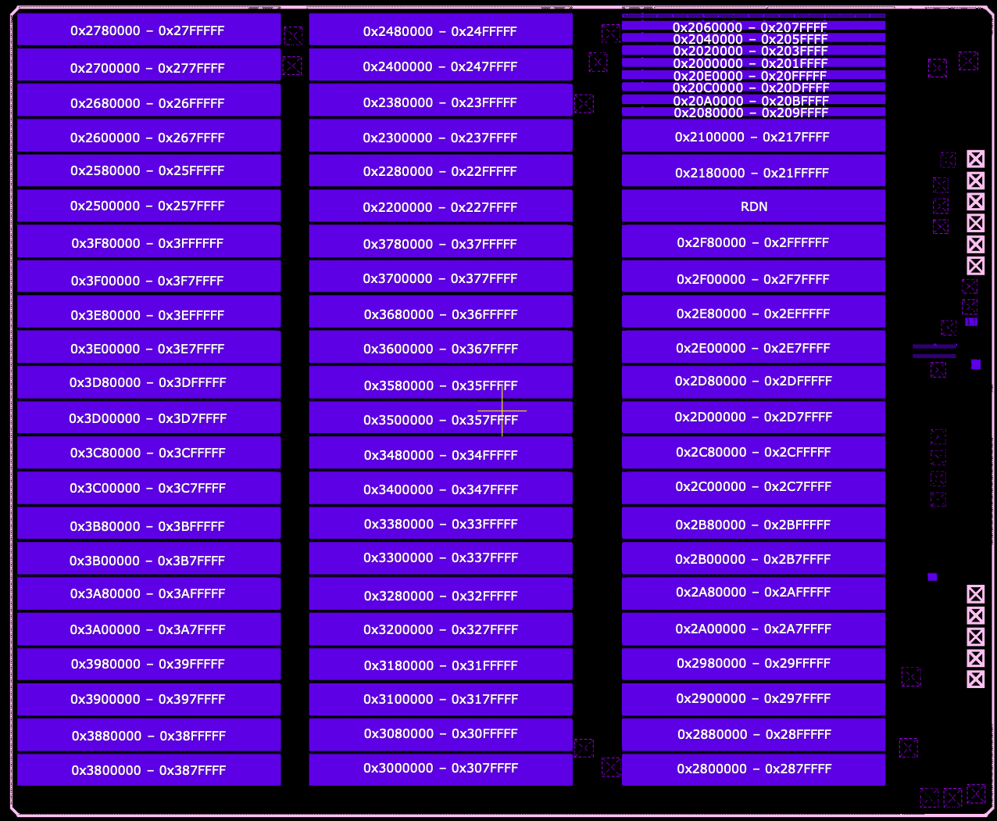
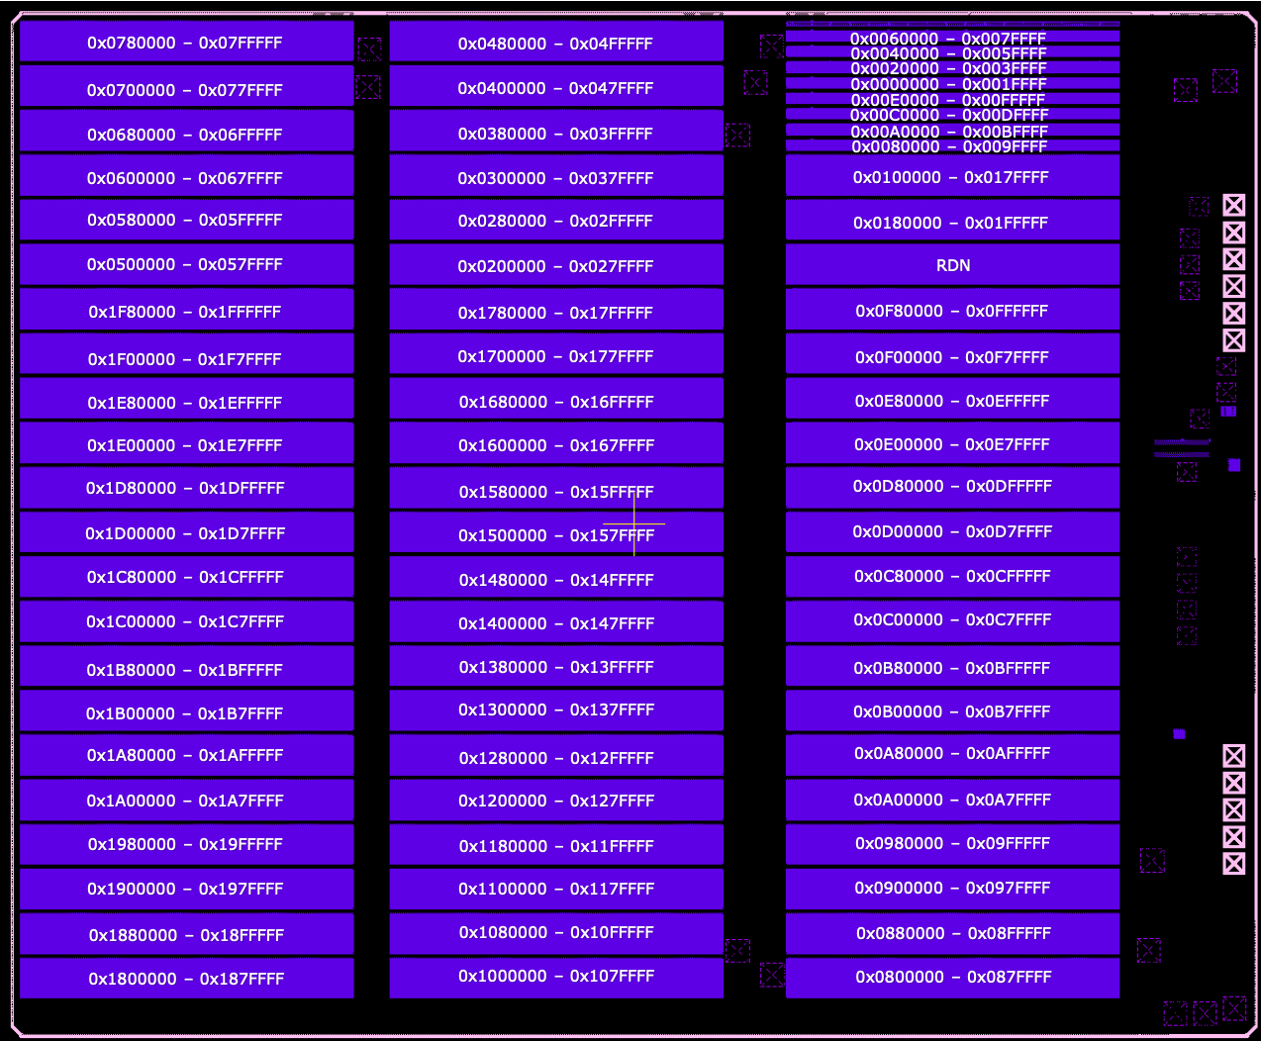

 | Die 0 (bottom die) |  |  |  |  | Die 1 (top die)

Giga Flash Testing
Test case | Condition | Min | Max | Unit | Notes
Flash Test MP Flow
Current Leakage on VDD_FLASH | From DS, apply max voltage of 1.98V to VDD_FLASH and 1.2V to VDDIO | 0 | 80 | uA
Current Leakage on VDDIO_FLASH | From DS, apply max voltage of 1.98V to VDD_FLASH and 1.2V to VDDIO | 0 | 10 | uA
Do checkerboard pattern on entire memory | Supply nominal 1.8V to flash, execute flash operations at 60MHz clock rate See diagrams below for address mapping |  |  |  | pass/fail

 | Gigadevice

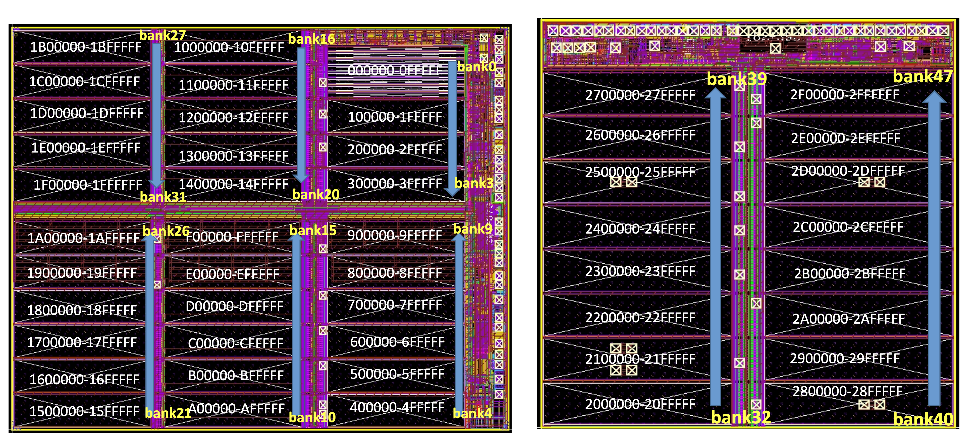

 | Die 0 (bottom die) |  |  |  |  | Die 1 (top die)

